Summary Sheet
Long-Term Assets and Short-term Assets
 |  |  |  |  | Observations for long term and short term assets
 | Long-Term Assets | Short-term Assets | Total-Assets | Total-Debt to Total Assets ratio | Long-term assets make a large percentage of the company's overall fixed costs, which will be advantageous in the future. Data on an organizations long-term assets is important as it helps to make accurate financial reports, business valuations, and analysis of the organizations finances.
Reliance Industries | 11,526,460,000 | 3,470,190,000.00 | 14,996,650,000 | 0.04072116106 | Short-term assets or securities in investments refer to assets that are held for less than one year. In accounting, the term "current" refers to a short-term asset, which means, expected to be converted into cash in less than one year, or a liability, coming due in less than one year.
Microsoft Corporation | 195,156,000 | 169,684,000 | 364,840,000 | 0.5435204473 | Total-debt-to-total-assets is a measure of the company's assets that are financed by debt rather than equity. | Detailed Fundamental analysis comparision of the companies
JP Morgan Chase | 2,674,983,000 | 1,068,584,000 | 3,743,567,000 | 0.9214313514 | A ratio greater than 1 shows that a considerable portion of the assets is funded by debt. In other words, the company has more liabilities than assets. A high ratio also indicates that a company may be putting itself at risk of defaulting on its loans if interest rates were to rise suddenly.
Alphabet Inc. | 171,124,000 | 188,143,000 | 359,267,000 | 0.2995905552 | A ratio below 0.5, meanwhile, indicates that a greater portion of a company's assets is funded by equity. This often gives a company more flexibility, as companies can increase, decrease, pause, or cancel future dividend plans to shareholders.
Tesla Inc. | 35,031,000 | 27,100,000 | 62,131,000 | 0.4916708245 | In our case leaving JPMC and Marriott International all the companies indicate that they are not weighed down by debt obligations and will likely be able to secure additional capital at potentially lower rates compared to the other two companies.
Johnson & Johnson | 121,039,000 | 60,979,000 | 182,018,000 | 0.5933204408
Marriott International | 21,927,000 | 3,626,000 | 25,553,000 | 0.9446640316
Larsen & Toubro | 1,126,976,000 | 2,073,503,900 | 3,200,479,900 | 0.70200469
Adani Group | 708,148,000 | 309,453,900 | 1,017,601,900 | 0.7353742166
Apollo Hospitals | 90,708,000 | 41,216,000 | 131,924,000 | 0.5544631758

Long-Term Liabilities and Short -Term Liabilities
 |  | Note: All calculations for the companies have been shown in separate sheets created specifically for the company.
 |  | Refer to the specific sheets for all calculations, company details, its horizontal analysis, and references to the balance sheet. |  |  | Observations for long term and short term liabilities
 |  |  |  |  | Long-term liabilities, also called long-term debts, are debts a company owes third-party creditors that are payable beyond 12 months. This distinguishes them from current liabilities, which a company must pay within 12 months. On the balance sheet, long-term liabilities appear along with current liabilities.
 | Long-Term Liabilities | Short -Term Liabilities | Total Liabilitites | Current-Ratio | Short-term debt, also called current liabilities, is a firm's financial obligations that are expected to be paid off within a year. It is listed under the current liabilities portion of the total liabilities section of a company's balance sheet.
Reliance Industries | 3,020,190,000 | 3,086,620,000.00 | 6,106,810,000 | 1.124268617 | The current ratio suggests that a business hould be able to meet short term woring capital needs and ideally should be greater than 1
Microsoft Corporation | 103,216,000 | 95,082,000 | 198,298,000 | 1.784606971 | For Reliance, Microsoft, Alphabet, Tesla, J&J,L&T,Apollo the current ratio is greater than 1 which indicates indicate ample liquidity
JP Morgan Chase | 1,385,695,000 | 2,063,745,000 | 3,449,440,000 | 0.5177887772 | In the case of Marriott International & Adani enterprises the ratio could indicate that a company might struggle to meet its short-term obligations, but
Alphabet Inc. | 43,379,000 | 64,254,000 | 107,633,000 | 2.928113425 | it also hugely depends on the industry and how the competitors are performing
Tesla Inc. | 10,843,000 | 19,705,000 | 30,548,000 | 1.375285461 | For JPMC it indicates that the company’s debts due in a year or less are greater than its assets, which justifies given the fact that its an invetsment banking firm
Johnson & Johnson | 62,769,000 | 45,226,000 | 107,995,000 | 1.34831734
Marriott International | 17,732,000 | 6,407,000 | 24,139,000 | 0.5659434993
Larsen & Toubro | 653,213,900 | 1,593,538,000 | 2,246,751,900 | 1.301195139
Adani Group | 309,820,400 | 438,497,800 | 748,318,200 | 0.7057136889
Apollo Hospitals | 49,314,000 | 23,833,000 | 73,147,000 | 1.729366844

Total-Debt and Total-Equity
 |  |  |  |  | Observations for debt to equity
 |  |  |  |  | A high D/E ratio is often associated with high investment risk;
 | Total-Debt | Total-Equity | Debt to equity ratio |  | It means that a company relies primarily on debt financing.
Reliance Industries | 610,681,000 | 8,889,840,000 | 0.06869426221 |  | For reliance industries the D/E ratio is very less signifying the fact that it has very less debt compared to its assets which makes it a safe investment in general
Microsoft Corporation | 198,298,000 | 166,542,000 | 1.190678628 |  | On the other hand for Marriott international the ratio is tto high which can result in problems when the company starts loosing moneyor starts generating less money
JP Morgan Chase | 3,449,440,000 | 294,127,000 | 11.72772306 |  | Among the rest of the companies Alphabet Inc., Tesla, Microsoft, are relatively safe investments
Alphabet Inc. | 107,633,000 | 251,635,000 | 0.4277346156 |  | For JPMC, Banks tend to have higher D/E ratios because they borrow capital in order to lend to customers so its D/E ratio doesnt adds much value to its analysis
Tesla Inc. | 30,548,000 | 31,583,000 | 0.9672292056 |  | J&J, L&T,Adani,Apollo are also not performing that well, as their ratios are greater than 1.5
Johnson & Johnson | 107,995,000 | 74,023,000 | 1.458938438
Marriott International | 24,139,000 | 1,414,000 | 17.07142857
Larsen & Toubro | 2,246,751,900 | 953,737,300 | 2.35573454
Adani Group | 748,318,200 | 269,283,700 | 2.778921264
Apollo Hospitals | 73,147,000 | 58,777,000 | 1.244483386

 |  | Note: All calculations for the companies have been shown in separate sheets created specifically for the company.
 |  | Refer to the specific sheets for all calculations, company details, its horizontal analysis, and references to the balance sheet. |  |  | Observations for total capital and retained earnings
Total-Capital and Retained Earnings
 | Total-Capital | Retained Earnings | Retained earnigs to total assets ratio % |  | Retained earnings are an important variable for assessing a company’s financial health because it shows the net income that a company has saved over time, and therefore has the ability to reinvest in the business or distribute to shareholders.
Reliance Industries | 9,500,521,000 | 2,479,510,000 | 16.53375921 |  | In the case of any company for instance Reliance Industries the ratio shows that 16.5% of the assets used within the business are funded by retained earnings. The balance of the assets (83.5%) must therefore be funded by liabilities and capital injected by investors.
Microsoft Corporation | 364,840,000 | 84,281,000 | 23.10081131 |  | In case of Tesla, a low retained earnings to total assets ratio, means that it is financing its expenditure using borrowed funds rather than funds from its retained earnings. It increases the probability of the company going bankrupt.
JP Morgan Chase | 3,743,567,000 | 72,268,000 | 1.930458304 |  | It also suggets the maturity of the business and the age of the business in the industry
Alphabet Inc. | 359,268,000 | 191,484,000 | 53.29852171 |  | For marriott, L&T,alphabet,J&J,the ratio is good and suggets stability
Tesla Inc. | 62,131,000 | 331,000 | 0.5327453284 |  | For JPMC the ratio is bad for the reason that an investment bank has undistributed earnings that have not been paid to stockholders or transferred to a surplus account.
Johnson & Johnson | 182,018,000 | 123,060,000 | 67.60869804
Marriott International | 25,553,000 | 10,305,000 | 40.32794584
Larsen & Toubro | 3,200,489,200 | 671,399,000 | 20.97807269
Adani Group | 1,017,601,900 | 132,224,500 | 12.99373557
Apollo Hospitals | 131,924,000 | 16,699,000 | 12.65804554

Reliance Industries
Long-term Assets and Short-term Assets
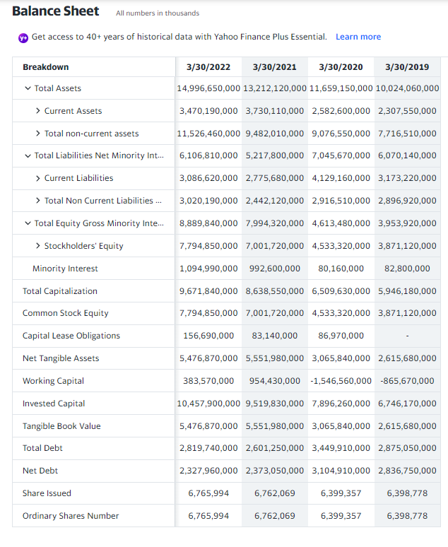
 | 2022 | 2021 | 2020 | For Reference-
Long-term Assets | 11,526,460,000 | 9,482,010,000 | 9,076,550,000 |  | 2022 | 2021 | 2020
Short-term Assets | 3,470,190,000.00 | 3,730,110,000 | 2,582,600,000
 |  |  |  | Total Assets | 14,996,650,000 | 13,212,120,000 | 11,659,150,000
 |  |  |  | Current Assets | 3,470,190,000 | 3,730,110,000 | 2,582,600,000
 |  |  |  | Cash, Cash Equivalents & Short Term Investments | 1,529,000,000 | 1,747,420,000 | 1,177,240,000
 |  |  |  | Cash And Cash Equivalents | 335,090,000 | 145,060,000 | 258,030,000
 |  |  |  | Cash | 88,200,000 | 88,900,000 | 141,160,000
 |  |  |  | Cash Equivalents | 246,890,000 | 56,160,000 | 116,870,000
 |  |  |  | Other Short Term Investments | 1,193,910,000.00 | 1,602,360,000 | 919,210,000
 |  |  |  | Inventory | 1,077,780,000.00 | 816,720,000 | 739,030,000
 |  |  |  | Raw Materials | 298,420,000.00 | 268,000,000 | 270,350,000
 |  |  |  | Work in Process | 339,850,000.00 | 277,810,000 | 216,170,000
 |  |  |  | Finished Goods | 412,700,000.00 | 251,210,000 | 231,510,000
 |  |  |  | Other Inventories | 26,810,000 | 19,700,000 | 21,000,000
 |  |  |  | Prepaid Assets | 439,650,000.00 | 401,290,000 | 332,840,000
 |  |  |  | Restricted Cash | 26,690,000 | 28,910,000 | 51,170,000
 |  |  |  | Assets Held for Sale Current | - | - | 0
 |  |  |  | Other Current Assets | 159,370,000.00 | 146,550,000 | 79,070,000
 |  |  |  | Total non-current assets | 11,526,460,000.00 | 9,482,010,000 | 9,076,550,000
Long-term Liabilities and Short-term Liabilities
 | 2022 | 2021 | 2020 | Net PPE | 5,685,060,000.00 | 5,222,370,000 | 4,950,160,000
Long-term Liabilities | 3,020,190,000 | 2,442,120,000 | 2,916,510,000 | Gross PPE | 7,649,890,000.00 | 6,888,110,000 | 6,451,230,000
Short-term Liabilities | 3,086,620,000.00 | 2,775,680,000 | 4,129,160,000 | Properties | 0 | 0 | 0
 |  |  |  | Land And Improvements | 698,550,000.00 | 689,960,000 | 687,430,000
 |  |  |  | Buildings And Improvements | 475,610,000.00 | 365,530,000 | 343,800,000
 |  |  |  | Machinery Furniture Equipment | 5,283,720,000.00 | 4,782,120,000 | 4,545,570,000
 |  |  |  | Other Properties | 511,490,000.00 | 338,790,000 | 283,470,000
 |  |  |  | Construction in Progress | 680,520,000.00 | 711,710,000 | 590,960,000
 |  |  |  | Accumulated Depreciation | -1,964,830,000.00 | -1,665,740,000 | -1,501,070,000
 |  |  |  | Goodwill And Other Intangible Assets | 2,317,980,000 | 1,449,740,000 | 1,467,480,000
 |  |  |  | Goodwill | 130,090,000 | 102,120,000 | 102,590,000
 |  |  |  | Other Intangible Assets | 2,187,890,000.00 | 1,347,620,000 | 1,364,890,000
 |  |  |  | Non Current Prepaid Assets | 183,380,000.00 | 296,040,000 | 154,070,000
 |  |  |  | Other Non Current Assets | 433,700,000.00 | 358,920,000 | 225,420,000
 |  |  |  | Total Liabilities Net Minority Interest | 6,106,810,000.00 | 5,217,800,000 | 7,045,670,000
 |  |  |  | Current Liabilities | 3,086,620,000.00 | 2,775,680,000 | 4,129,160,000
 |  |  |  | Current Provisions | 19,360,000.00 | 25,040,000 | 18,900,000
 |  |  |  | Current Debt And Capital Lease Obligation | 812,680,000.00 | 894,940,000 | 1,398,440,000
Total Debt and Total Equity
 | 2022 | 2021 | 2020 | Current Debt | 786,060,000.00 | 881,280,000 | 1,386,630,000
Total Debt | 6,106,810,000 | 5,217,800,000 | 7,045,670,000 | Current Capital Lease Obligation | 26,620,000.00 | 13,660,000 | 11,810,000
Total Equity | 8,889,840,000 | 7,994,320,000 | 4,613,480,000 | Other Current Liabilities | 215,840,000.00 | 330,340,000 | -
#Total Debt = Summed the Liabilities |  |  |  | Total Non Current Liabilities Net Minority Interest | 3,020,190,000 | 2,442,120,000 | 2,916,510,000
 |  |  |  | Long Term Provisions | 18,530,000.00 | 26,250,000 | 17,900,000
 |  |  |  | Long Term Debt And Capital Lease Obligation | 2,007,060,000.00 | 1,706,310,000 | 2,051,470,000
 |  |  |  | Long Term Debt | 1,876,990,000.00 | 1,636,830,000 | 1,976,310,000
 |  |  |  | Long Term Capital Lease Obligation | 130,070,000.00 | 69,480,000 | 75,160,000
 |  |  |  | Tradeand Other Payables Non Current | 120,240,000 | - | -
 |  |  |  | Other Non Current Liabilities | 377,920,000.00 | 193,390,000 | 193,030,000
 |  |  |  | Total Equity Gross Minority Interest | 8,889,840,000.00 | 7,994,320,000 | 4,613,480,000
 |  |  |  | Stockholders' Equity | 7,794,850,000.00 | 7,001,720,000 | 4,533,320,000
 |  |  |  | Capital Stock | 67,650,000 | 64,450,000 | 63,390,000
 |  |  |  | Common Stock | 67,650,000 | 64,450,000 | 63,390,000
 |  |  |  | Additional Paid in Capital | 1,148,460,000.00 | 745,580,000 | 614,450,000
 |  |  |  | Retained Earnings | 2,479,510,000 | 1,960,590,000 | 329,720,000
 |  |  |  | Other Equity Interest | 4,340,000.00 | 405,800,000 | 41,850,000
 |  |  |  | Minority Interest | 1,094,990,000 | 992,600,000 | 80,160,000
 |  |  |  | Total Capitalization | 9,671,840,000 | 8,638,550,000 | 6,509,630,000
Total Capital and Retained Earnings
 | 2022 | 2021 | 2020 | Common Stock Equity | 7,794,850,000 | 7,001,720,000 | 4,533,320,000
Total Capital | 14,996,650,000 | 13,212,120,000 | 11,659,150,000 | Capital Lease Obligations | 156,690,000 | 83,140,000 | 86,970,000
Retained Earnings | 2,479,510,000 | 1,960,590,000 | 329,720,000 | Net Tangible Assets | 5,476,870,000 | 5,551,980,000 | 3,065,840,000
 |  |  |  | Working Capital | 383,570,000 | 954,430,000 | -1,546,560,000
 |  |  |  | Invested Capital | 10,457,900,000 | 9,519,830,000 | 7,896,260,000
 |  |  |  | Tangible Book Value | 5,476,870,000 | 5,551,980,000 | 3,065,840,000
 |  |  |  | Total Debt | 2,819,740,000 | 2,601,250,000 | 3,449,910,000
 |  |  |  | Net Debt | 2,327,960,000 | 2,373,050,000 | 3,104,910,000
 |  |  |  | Share Issued | 6,765,994 | 6,762,069 | 6,399,357
 |  |  |  | Ordinary Shares Number | 6,765,994 | 6,762,069 | 6,399,357

Microsoft Corporation
Long-term Assets and Short-term Assets
 | 2022 | 2021 | 2020 | For Reference-
Long-term Assets | 195,156,000 | 149,373,000 | 119,396,000
Short-term Assets | 169,684,000 | 184,406,000 | 181,915,000
 |  |  |  | Total Assets | 364,840,000 | 333,779,000 | 301,311,000 | 286,556,000
 |  |  |  | Current Assets | 169,684,000 | 184,406,000 | 181,915,000 | 175,552,000
 |  |  |  | Cash, Cash Equivalents & Short Term Investments | 104,749,000 | 130,334,000 | 136,527,000 | 133,819,000
 |  |  |  | Cash And Cash Equivalents | 13,931,000 | 14,224,000 | 13,576,000 | 11,356,000
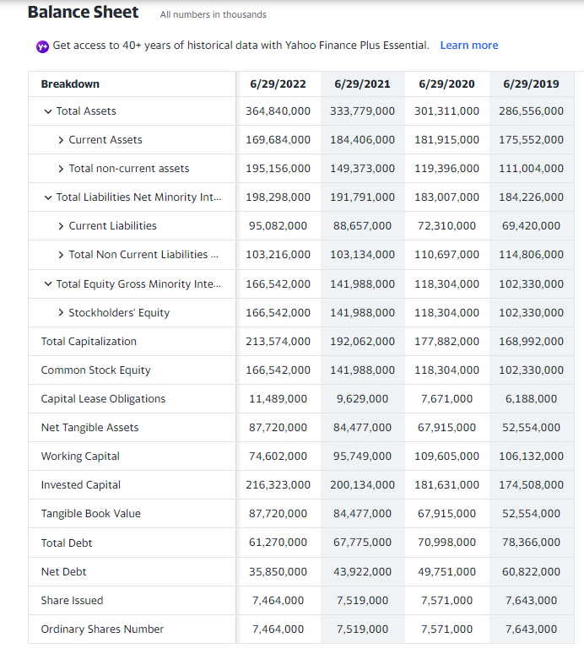
 |  |  |  | Cash | 8,258,000 | 7,272,000 | - | -
 |  |  |  | Cash Equivalents | 5,673,000 | 6,952,000 | - | -
 |  |  |  | Other Short Term Investments | 90,818,000 | 116,110,000 | 122,951,000 | 122,463,000
 |  |  |  | Receivables | 44,261,000 | 38,043,000 | 32,011,000 | 29,524,000
 |  |  |  | Accounts receivable | 44,261,000 | 38,043,000 | 32,011,000 | 29,524,000
 |  |  |  | Gross Accounts Receivable | 44,894,000 | 38,794,000 | 32,799,000 | 29,935,000
 |  |  |  | Allowance For Doubtful Accounts Receivable | -633,000 | -751,000 | -788,000 | -411,000
 |  |  |  | Inventory | 3,742,000 | 2,636,000 | 1,895,000 | 2,063,000
 |  |  |  | Raw Materials | 1,144,000 | 1,190,000 | 700,000 | 399,000
 |  |  |  | Work in Process | 82,000 | 79,000 | 83,000 | 53,000
 |  |  |  | Finished Goods | 2,516,000 | 1,367,000 | 1,112,000 | 1,611,000
 |  |  |  | Hedging Assets Current | 8,000 | $0 | - | -
 |  |  |  | Other Current Assets | 16,924,000 | 13,393,000 | 11,482,000 | 10,146,000
Long-term Liabilities and Short-term Liabilities
 | 2022 | 2021 | 2020 | Total non-current assets | 195,156,000 | 149,373,000 | 119,396,000 | 111,004,000
Long-term Liabilities | 103,216,000 | 103,134,000 | 110,697,000 | Net PPE | 87,546,000 | $70,803,000 | $52,904,000 | 43,856,000
Short-term Liabilities | 95,082,000 | 88,657,000 | 72,310,000 | Gross PPE | 147,206,000 | 122,154,000 | 96,101,000 | 79,186,000
 |  |  |  | Properties | 0 | 0 | 0 | 0
 |  |  |  | Land And Improvements | 4,734,000 | 3,660,000 | 1,823,000 | 1,540,000
 |  |  |  | Buildings And Improvements | 55,014,000 | 43,928,000 | 33,995,000 | 26,288,000
 |  |  |  | Machinery Furniture Equipment | 66,491,000 | 56,594,000 | 46,043,000 | 38,663,000
 |  |  |  | Other Properties | 13,148,000 | 11,088,000 | 8,753,000 | 7,379,000
 |  |  |  | Leases | 7,819,000 | 6,884,000 | 5,487,000 | 5,316,000
 |  |  |  | Accumulated Depreciation | -59,660,000 | -51,351,000 | -43,197,000 | -35,330,000
 |  |  |  | Goodwill And Other Intangible Assets | 78,822,000 | 57,511,000 | 50,389,000 | 49,776,000
 |  |  |  | Goodwill | 67,524,000 | 49,711,000 | 43,351,000 | 42,026,000
 |  |  |  | Other Intangible Assets | 11,298,000 | 7,800,000 | 7,038,000 | 7,750,000
 |  |  |  | Investments And Advances | 6,891,000 | 5,984,000 | 2,965,000 | 2,649,000
 |  |  |  | Long Term Equity Investment | 6,891,000 | 5,984,000 | 2,965,000 | 2,649,000
 |  |  |  | Other Non Current Assets | 21,897,000 | 15,075,000 | 13,138,000 | 14,723,000
 |  |  |  | Total Liabilities Net Minority Interest | 198,298,000 | 191,791,000 | 183,007,000 | 184,226,000
 |  |  |  | Current Liabilities | 95,082,000 | 88,657,000 | 72,310,000 | 69,420,000
 | 2022 | 2021 | 2020 | Payables And Accrued Expenses | 23,067,000 | 17,337,000 | 14,660,000 | 15,047,000
Total Debt | 198,298,000 | 191,791,000 | 183,007,000 | Payables | 23,067,000 | 17,337,000 | 14,660,000 | 15,047,000
Total Debt and Total Equity
Total Equity | 166,542,000 | 141,988,000 | 118,304,000 | Accounts Payable | 19,000,000 | 15,163,000 | 12,530,000 | 9,382,000 | 5-year trend
#Total Debt = Summed the Liabilities |  |  |  | Total Tax Payable | 4,067,000 | $2,174,000 | $2,130,000 | 5,665,000
 |  |  |  | Income Tax Payable | 4,067,000 | 2,174,000 | 2,130,000 | 5,665,000
 |  |  |  | Pension & Other Post Retirement Benefit Plans Current | 10,661,000 | 10,057,000 | 7,874,000 | 6,830,000
 |  |  |  | Current Debt And Capital Lease Obligation | 2,749,000 | 8,072,000 | 3,749,000 | 5,516,000
 |  |  |  | Current Debt | 2,749,000 | 8,072,000 | 3,749,000 | 5,516,000
 |  |  |  | Current Deferred Liabilities | 45,538,000 | 41,525,000 | 36,000,000 | 32,676,000
 |  |  |  | Current Deferred Revenue | 45,538,000 | 41,525,000 | 36,000,000 | 32,676,000
 |  |  |  | Other Current Liabilities | 13,067,000 | 11,666,000 | 10,027,000 | 9,351,000
 |  |  |  | Total Non Current Liabilities Net Minority Interest | 103,216,000 | 103,134,000 | 110,697,000 | 114,806,000
 |  |  |  | Long Term Debt And Capital Lease Obligation | 58,521,000 | 59,703,000 | 67,249,000 | 72,850,000
 |  |  |  | Long Term Debt | 47,032,000 | 50,074,000 | 59,578,000 | 66,662,000
 |  |  |  | Long Term Capital Lease Obligation | 11,489,000 | 9,629,000 | 7,671,000 | 6,188,000
 |  |  |  | Non Current Deferred Liabilities | 3,100,000 | 2,814,000 | 3,384,000 | 4,763,000
 |  |  |  | Non Current Deferred Taxes Liabilities | 230,000 | 198,000 | 204,000 | 233,000
 |  |  |  | Non Current Deferred Revenue | 2,870,000 | 2,616,000 | 3,180,000 | 4,530,000
 |  |  |  | Tradeand Other Payables Non Current | 26,069,000 | 27,190,000 | 29,432,000 | 29,612,000
 | 2022 | 2021 | 2020 | Other Non Current Liabilities | 15,526,000 | 13,427,000 | 10,632,000 | 7,581,000
Total Capital | 364,840,000 | 333,779,000 | 301,311,000 | Total Equity Gross Minority Interest | 166,542,000 | 141,988,000 | 118,304,000 | 102,330,000
Total Capital and Retained Earnings
Retained Earnings | 84,281,000 | 57,055,000 | 34,566,000 | Stockholders' Equity | 166,542,000 | 141,988,000 | 118,304,000 | 102,330,000
 |  |  |  | Capital Stock | 86,939,000 | 83,111,000 | 80,552,000 | 78,520,000
 |  |  |  | Common Stock | 86,939,000 | 83,111,000 | 80,552,000 | 78,520,000
 |  |  |  | Retained Earnings | 84,281,000 | 57,055,000 | 34,566,000 | 24,150,000
 |  |  |  | Gains Losses Not Affecting Retained Earnings | -4,678,000 | 1,822,000 | 3,186,000 | -340,000
 |  |  |  | Total Capitalization | 213,574,000 | 192,062,000 | 177,882,000 | 168,992,000
 |  |  |  | Common Stock Equity | 166,542,000 | 141,988,000 | 118,304,000 | 102,330,000
 |  |  |  | Capital Lease Obligations | 11,489,000 | 9,629,000 | 7,671,000 | 6,188,000
 |  |  |  | Net Tangible Assets | 87,720,000 | 84,477,000 | 67,915,000 | 52,554,000
 |  |  |  | Working Capital | 74,602,000 | 95,749,000 | 109,605,000 | 106,132,000
 |  |  |  | Invested Capital | 216,323,000 | 200,134,000 | 181,631,000 | 174,508,000
 |  |  |  | Tangible Book Value | 87,720,000 | 84,477,000 | 67,915,000 | 52,554,000
 |  |  |  | Total Debt | 61,270,000 | 67,775,000 | 70,998,000 | 78,366,000
 |  |  |  | Net Debt | 35,850,000 | 43,922,000 | 49,751,000 | 60,822,000
 |  |  |  | Share Issued | 7,464,000 | 7,519,000 | 7,571,000 | 7,643,000
 |  |  |  | Ordinary Shares Number | 7,464,000 | 7,519,000 | 7,571,000 | 7,643,000

Alphabet Inc.
Long-term Assets and Short-term Assets
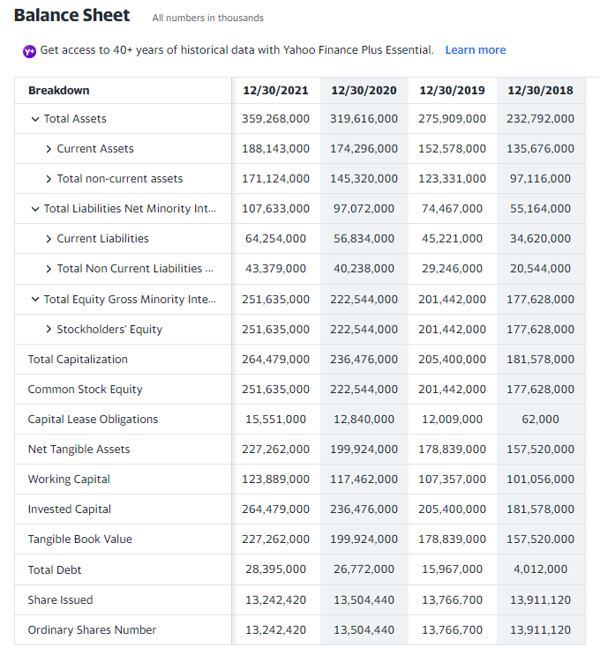
 |  |  |  | For Reference- Balance Sheet
 | 2021 | 2020 | 2019
Long-term Assets | 171,124,000 | 145,320,000 | 123,331,000 |  |  |  |  |  | 5-year trend
Short-term Assets | 188,143,000 | 174,296,000 | 152,578,000 | Total Assets | 359,268,000 | 319,616,000 | 275,909,000 | 232,792,000
 |  |  |  | Current Assets | 188,143,000 | 174,296,000 | 152,578,000 | 135,676,000
 |  |  |  | Cash, Cash Equivalents & Short Term Investments | 139,649,000 | 136,694,000 | 119,675,000 | 109,140,000
 |  |  |  | Cash And Cash Equivalents | 20,945,000 | 26,465,000 | 18,498,000 | 16,701,000
 |  |  |  | Other Short Term Investments | 118,704,000 | 110,229,000 | 101,177,000 | 92,439,000
 |  |  |  | Receivables | 40,270,000 | 31,384,000 | 27,492,000 | 21,193,000
 |  |  |  | Accounts receivable | 39,304,000 | 30,930,000 | 25,326,000 | 20,838,000
 |  |  |  | Gross Accounts Receivable | 39,854,000 | 31,683,000 | 26,079,000 | 21,567,000
 |  |  |  | Allowance For Doubtful Accounts Receivable | -550,000 | -753,000 | -753,000 | -729,000
 |  |  |  | Taxes Receivable | 966,000 | 454,000 | 2,166,000 | 355,000
 |  |  |  | Inventory | 1,170,000 | 728,000 | 999,000 | 1,107,000
 |  |  |  | Other Current Assets | 7,054,000 | 5,490,000 | 4,412,000 | 4,236,000
 |  |  |  | Total non-current assets | 171,124,000 | 145,320,000 | 123,331,000 | 97,116,000
 |  |  |  | Net PPE | 110,557,000 | 96,960,000 | 84,587,000 | 59,719,000
 |  |  |  | Gross PPE | 159,971,000 | 138,673,000 | 115,148,000 | 82,507,000
 |  |  |  | Properties | 0 | 0 | 0 | 0
 |  |  |  | Land And Improvements | 58,881,000 | 49,732,000 | 39,865,000 | 30,179,000
 |  |  |  | Machinery Furniture Equipment | 208,000 | 197,000 | 156,000 | 61,000
 | 2021 | 2020 | 2019 | Other Properties | 68,565,000 | 58,117,000 | 47,781,000 | 30,119,000
Long-term Liabilities and Short-term Liabilities
Long-term Liabilities | 43,379,000 | 40,238,000 | 29,246,000 | Construction in Progress | 23,171,000 | 23,111,000 | 21,036,000 | 16,838,000
Short-term Liabilities | 64,254,000 | 56,834,000 | 45,221,000 | Leases | 9,146,000 | 7,516,000 | 6,310,000 | 5,310,000
 |  |  |  | Accumulated Depreciation | -49,414,000 | -41,713,000 | -30,561,000 | -22,788,000
 |  |  |  | Goodwill And Other Intangible Assets | 24,373,000 | 22,620,000 | 22,603,000 | 20,108,000
 |  |  |  | Goodwill | 22,956,000 | 21,175,000 | 20,624,000 | 17,888,000
 |  |  |  | Other Intangible Assets | 1,417,000 | 1,445,000 | 1,979,000 | 2,220,000
 |  |  |  | Investments And Advances | 29,549,000 | 20,703,000 | 13,078,000 | 13,859,000
 |  |  |  | Investment in Financial Assets | 29,549,000 | 20,703,000 | 13,078,000 | 13,859,000
 |  |  |  | Non Current Deferred Assets | 1,284,000 | 1,084,000 | 721,000 | 737,000
 |  |  |  | Non Current Deferred Taxes Assets | 1,284,000 | 1,084,000 | 721,000 | 737,000
 |  |  |  | Other Non Current Assets | 5,361,000 | 3,953,000 | 2,342,000 | 2,693,000
 |  |  |  | Total Liabilities Net Minority Interest | 107,633,000 | 97,072,000 | 74,467,000 | 55,164,000
 |  |  |  | Current Liabilities | 64,254,000 | 56,834,000 | 45,221,000 | 34,620,000
 |  |  |  | Payables And Accrued Expenses | 35,089,000 | 31,102,000 | 24,214,000 | 18,243,000
 |  |  |  | Payables | 7,242,000 | 7,074,000 | 5,835,000 | 4,447,000
 |  |  |  | Accounts Payable | 6,037,000 | 5,589,000 | 5,561,000 | 4,378,000
 |  |  |  | Total Tax Payable | 808,000 | 1,485,000 | 274,000 | 69,000
 | 2021 | 2020 | 2019 | Income Tax Payable | 808,000 | 1,485,000 | 274,000 | 69,000
Total Debt and Total Equity
Total Debt | 107,633,000 | 97,072,000 | 74,467,000 | Other Payable | 397,000 | - | - | -
Total Equity | 251,635,000 | 222,544,000 | 201,442,000 | Current Accrued Expenses | 27,847,000 | 24,028,000 | 18,379,000 | 13,796,000
#Total Debt = Summed the Liabilities |  |  |  | Pension & Other Post Retirement Benefit Plans Current | 13,889,000 | 11,086,000 | 8,495,000 | 6,839,000 | 5-year trend
 |  |  |  | Current Debt And Capital Lease Obligation | 2,189,000 | 1,694,000 | 1,199,000 | -
 |  |  |  | Current Capital Lease Obligation | 2,189,000 | 1,694,000 | 1,199,000 | -
 |  |  |  | Current Deferred Liabilities | 3,288,000 | 2,543,000 | 1,908,000 | 1,784,000
 |  |  |  | Current Deferred Revenue | 3,288,000 | 2,543,000 | 1,908,000 | 1,784,000
 |  |  |  | Other Current Liabilities | 9,799,000 | 10,409,000 | 9,405,000 | 7,754,000
 |  |  |  | Total Non Current Liabilities Net Minority Interest | 43,379,000 | 40,238,000 | 29,246,000 | 20,544,000
 |  |  |  | Long Term Debt And Capital Lease Obligation | 26,206,000 | 25,078,000 | 14,768,000 | 4,012,000
 |  |  |  | Long Term Debt | 12,844,000 | 13,932,000 | 3,958,000 | 3,950,000
 |  |  |  | Long Term Capital Lease Obligation | 13,362,000 | 11,146,000 | 10,810,000 | 62,000
 |  |  |  | Non Current Deferred Liabilities | 5,792,000 | 4,042,000 | 2,059,000 | 1,660,000
 |  |  |  | Non Current Deferred Taxes Liabilities | 5,257,000 | 3,561,000 | 1,701,000 | 1,264,000
 |  |  |  | Non Current Deferred Revenue | 535,000 | 481,000 | 358,000 | 396,000
 |  |  |  | Tradeand Other Payables Non Current | 9,176,000 | 8,849,000 | 9,885,000 | 11,327,000
 |  |  |  | Other Non Current Liabilities | 2,205,000 | 2,269,000 | 2,534,000 | 3,545,000
 |  |  |  | Total Equity Gross Minority Interest | 251,635,000 | 222,544,000 | 201,442,000 | 177,628,000
 | 2021 | 2020 | 2019 | Stockholders' Equity | 251,635,000 | 222,544,000 | 201,442,000 | 177,628,000
Total Capital and Retained Earnings
Total Capital | 359,268,000 | 319,616,000 | 275,909,000 | Capital Stock | 61,774,000 | 58,510,000 | 50,552,000 | 45,049,000
Retained Earnings | 191,484,000 | 163,401,000 | 152,122,000 | Common Stock | 61,774,000 | 58,510,000 | 50,552,000 | 45,049,000
 |  |  |  | Retained Earnings | 191,484,000 | 163,401,000 | 152,122,000 | 134,885,000
 |  |  |  | Gains Losses Not Affecting Retained Earnings | -1,623,000 | 633,000 | -1,232,000 | -2,306,000
 |  |  |  | Total Capitalization | 264,479,000 | 236,476,000 | 205,400,000 | 181,578,000
 |  |  |  | Common Stock Equity | 251,635,000 | 222,544,000 | 201,442,000 | 177,628,000
 |  |  |  | Capital Lease Obligations | 15,551,000 | 12,840,000 | 12,009,000 | 62,000
 |  |  |  | Net Tangible Assets | 227,262,000 | 199,924,000 | 178,839,000 | 157,520,000
 |  |  |  | Working Capital | 123,889,000 | 117,462,000 | 107,357,000 | 101,056,000
 |  |  |  | Invested Capital | 264,479,000 | 236,476,000 | 205,400,000 | 181,578,000
 |  |  |  | Tangible Book Value | 227,262,000 | 199,924,000 | 178,839,000 | 157,520,000
 |  |  |  | Total Debt | 28,395,000 | 26,772,000 | 15,967,000 | 4,012,000
 |  |  |  | Share Issued | 13,242,420 | 13,504,440 | 13,766,700 | 13,911,120
 |  |  |  | Ordinary Shares Number | 13,242,420 | 13,504,440 | 13,766,700 | 13,911,120

Tesla Inc.
Long-term Assets and Short-term Assets
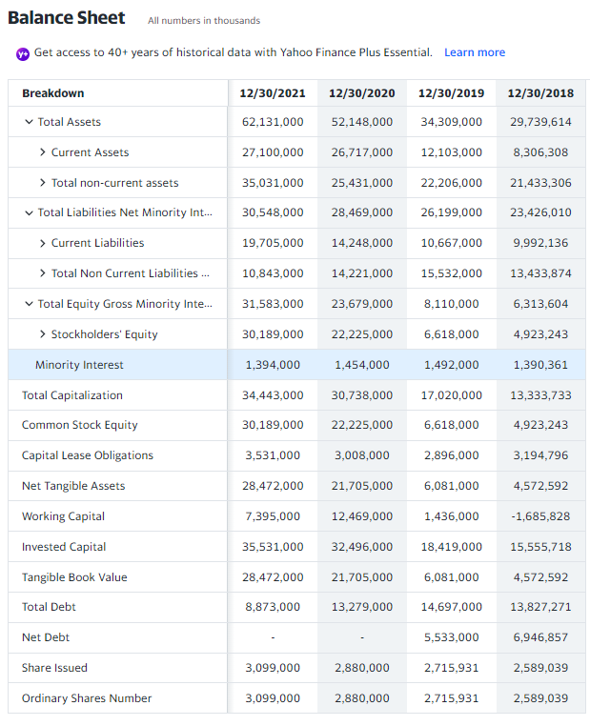
 | 2021 | 2020 | 2019 | For Reference-
Long-term Assets | 35,031,000 | 25,431,000 | 22,206,000
Short-term Assets | 27,100,000 | 26,717,000 | 12,103,000
 |  |  |  | Total Assets | 62,131,000 | 52,148,000 | 34,309,000 | 29,739,614
 |  |  |  | Current Assets | 27,100,000 | 26,717,000 | 12,103,000 | 8,306,308
 |  |  |  | Cash, Cash Equivalents & Short Term Investments | $17,707,000 | $19,384,000 | $6,268,000 | $3,685,618
 |  |  |  | Cash And Cash Equivalents | $17,576,000 | 19,384,000 | 6,268,000 | 3,685,618
 |  |  |  | Other Short Term Investments | $131,000 | - | - | -
 |  |  |  | Receivables | $1,913,000 | $1,886,000 | $1,324,000 | $949,022
 |  |  |  | Accounts receivable | $1,913,000 | $1,886,000 | $1,324,000 | $949,022
 |  |  |  | Inventory | $5,757,000 | $4,101,000 | $3,552,000 | $3,113,446
 |  |  |  | Raw Materials | 2,816,000 | 1,508,000 | 1,428,000 | 931,828
 |  |  |  | Work in Process | 1,089,000 | 493,000 | 362,000 | $296,991
 |  |  |  | Finished Goods | $1,277,000 | $1,666,000 | $1,356,000 | $1,581,763
 |  |  |  | Other Inventories | $575,000 | $434,000 | $406,000 | $302,864
 |  |  |  | Prepaid Assets | $1,723,000 | $1,346,000 | $713,000 | $365,671
 |  |  |  | Restricted Cash | - | - | $246,000 | $192,551
 |  |  |  | Total non-current assets | 35,031,000 | 25,431,000 | 22,206,000 | 21,433,306
 |  |  |  | Net PPE | $31,176,000 | $23,375,000 | $20,199,000 | $19,691,231
 |  |  |  | Gross PPE | 39,094,000 | 29,447,000 | 31,925,000 | 22,885,847
Long-term Liabilities and Short-term Liabilities
 | 2021 | 2020 | 2019 | Properties | $6,913,000 | $6,861,000 | $14,130,000 | $99,380
Long-term Liabilities | 10,843,000 | 14,221,000 | 15,532,000 | Land And Improvements | $4,675,000 | $3,662,000 | $3,024,000 | $4,047,006
Short-term Liabilities | 19,705,000 | 14,248,000 | 10,667,000 | Machinery Furniture Equipment | $15,878,000 | $12,440,000 | $10,209,000 | $8,906,145
 |  |  |  | Other Properties | $4,204,000 | $3,369,000 | $2,711,000 | $7,997,275
 |  |  |  | Construction in Progress | $5,598,000 | $1,694,000 | $764,000 | $875,070
 |  |  |  | Leases | $1,826,000 | $1,421,000 | $1,087,000 | $960,971
 |  |  |  | Accumulated Depreciation | -$7,918,000 | -$6,072,000 | -$11,726,000 | -$3,194,616
 |  |  |  | Goodwill And Other Intangible Assets | $1,717,000 | $520,000 | $537,000 | $350,651
 |  |  |  | Goodwill | $200,000 | $207,000 | $198,000 | $68,159
 |  |  |  | Other Intangible Assets | $1,517,000 | $313,000 | $339,000 | $282,492
 |  |  |  | Non Current Note Receivables | - | - | 393,000 | 421,548
 |  |  |  | Other Non Current Assets | $2,138,000 | $1,536,000 | $1,077,000 | 969,876
 |  |  |  | Total Liabilities Net Minority Interest | $30,548,000 | $28,469,000 | $26,199,000 | $23,426,010
 |  |  |  | Current Liabilities | 19,705,000 | 14,248,000 | 10,667,000 | 9,992,136
 |  |  |  | Payables And Accrued Expenses | $14,817,000 | $8,962,000 | $5,916,000 | $4,874,784
 |  |  |  | Payables | $11,147,000 | $6,828,000 | $4,382,000 | $3,753,114
 |  |  |  | Accounts Payable | $10,025,000 | $6,051,000 | $3,771,000 | $3,404,451
 |  |  |  | Total Tax Payable | $1,122,000 | $777,000 | $611,000 | $348,663
 | 2021 | 2020 | 2019 | Current Accrued Expenses | 3,670,000 | 2,134,000 | 1,534,000 | 1,121,670
Total Debt and Total Equity
Total Debt | 30,548,000 | 28,469,000 | 26,199,000 | Interest Payable | 16,000 | 77,000 | 86,000 | 77,917
Total Equity | 31,583,000 | 23,679,000 | 8,110,000 | Current Provisions | 265,000 | 417,000 | 272,000 | 107,800
#Total Debt = Summed the Liabilities |  |  |  | Current Debt And Capital Lease Obligation | 1,957,000 | 2,418,000 | 2,070,000 | 2,711,199
 |  |  |  | Current Debt | 1,088,000 | 1,758,000 | 1,399,000 | 2,221,985
 |  |  |  | Line of Credit | - | - | - | 181,827
 |  |  |  | Other Current Borrowings | 1,088,000 | 1,758,000 | 1,399,000 | 2,040,158
 |  |  |  | Current Capital Lease Obligation | 869,000 | 660,000 | 671,000 | 489,214
 |  |  |  | Current Deferred Liabilities | 2,372,000 | 2,210,000 | 1,889,000 | 1,422,893
 |  |  |  | Current Deferred Revenue | 2,372,000 | 2,210,000 | 1,889,000 | 1,422,893
 |  |  |  | Other Current Liabilities | 294,000 | 241,000 | 520,000 | 875,460
 |  |  |  | Total Non Current Liabilities Net Minority Interest | 10,843,000 | 14,221,000 | 15,532,000 | 13,433,874
 |  |  |  | Long Term Provisions | 133,000 | 500,000 | 545,000 | 84,143
 |  |  |  | Long Term Debt And Capital Lease Obligation | 6,916,000 | 10,861,000 | 12,627,000 | 11,116,072
 |  |  |  | Long Term Debt | 4,254,000 | 8,513,000 | 10,402,000 | 8,410,490
 |  |  |  | Long Term Capital Lease Obligation | 2,662,000 | 2,348,000 | 2,225,000 | 2,705,582
 |  |  |  | Non Current Deferred Liabilities | 2,076,000 | 1,435,000 | 1,207,000 | 1,050,125
 |  |  |  | Non Current Deferred Taxes Liabilities | 24,000 | 151,000 | - | -
 | 2021 | 2020 | 2019 | Non Current Deferred Revenue | 2,052,000 | 1,284,000 | 1,207,000 | 990,873
Total Capital | 62,131,000 | 52,148,000 | 34,309,000 | Non Current Accrued Expenses | 1,398,000 | 989,000 | 745,000 | 547,125
Retained Earnings | 331,000 | -5,399,000 | -6,083,000 | Preferred Securities Outside Stock Equity | 568,000 | 604,000 | 643,000 | 555,964
 |  |  |  | Other Non Current Liabilities | 320,000 | 436,000 | 408,000 | 636,409
 |  |  |  | Total Equity Gross Minority Interest | 31,583,000 | 23,679,000 | 8,110,000 | 6,313,604
 |  |  |  | Stockholders' Equity | 30,189,000 | 22,225,000 | 6,618,000 | 4,923,243
 |  |  |  | Capital Stock | 1,000 | 1,000 | 0 | 173
 |  |  |  | Preferred Stock | 0 | 0 | 0 | 0
 |  |  |  | Common Stock | 1,000 | 1,000 | 0 | 173
 |  |  |  | Additional Paid in Capital | 29,803,000 | 27,260,000 | 12,737,000 | 10,249,120
 |  |  |  | Retained Earnings | 331,000 | -5,399,000 | -6,083,000 | -5,317,832
 |  |  |  | Gains Losses Not Affecting Retained Earnings | 54,000 | 363,000 | -36,000 | -8,218
 |  |  |  | Minority Interest | 1,394,000 | 1,454,000 | 1,492,000 | 1,390,361
 |  |  |  | Total Capitalization | 34,443,000 | 30,738,000 | 17,020,000 | 13,333,733
 |  |  |  | Common Stock Equity | 30,189,000 | 22,225,000 | 6,618,000 | 4,923,243
 |  |  |  | Capital Lease Obligations | 3,531,000 | 3,008,000 | 2,896,000 | 3,194,796
 |  |  |  | Net Tangible Assets | 28,472,000 | 21,705,000 | 6,081,000 | 4,572,592
 |  |  |  | Working Capital | 7,395,000 | 12,469,000 | 1,436,000 | -1,685,828
 |  |  |  | Invested Capital | 35,531,000 | 32,496,000 | 18,419,000 | 15,555,718
 |  |  |  | Tangible Book Value | 28,472,000 | 21,705,000 | 6,081,000 | 4,572,592
 |  |  |  | Total Debt | 8,873,000 | 13,279,000 | 14,697,000 | 13,827,271
 |  |  |  | Net Debt | - | - | 5,533,000 | 6,946,857
 |  |  |  | Share Issued | 3,099,000 | 2,880,000 | 2,715,931 | 2,589,039
 |  |  |  | Ordinary Shares Number | 3,099,000 | 2,880,000 | 2,715,931 | 2,589,039

Johnson & Johnson
 |  |  |  | For Reference-
Long-term Assets and Short-term Assets

 |  |  |  | Total Assets | 182,018,000 | 174,894,000 | 157,728,000 | 152,954,000
 |  |  |  | Current Assets | 60,979,000 | 51,237,000 | 45,274,000 | 46,033,000
 |  |  |  | Cash, Cash Equivalents & Short Term Investments | 31,608,000 | 25,185,000 | 19,287,000 | 19,687,000
 | 2021 | 2020 | 2019 | Cash And Cash Equivalents | 14,487,000 | 13,985,000 | 17,305,000 | 18,107,000
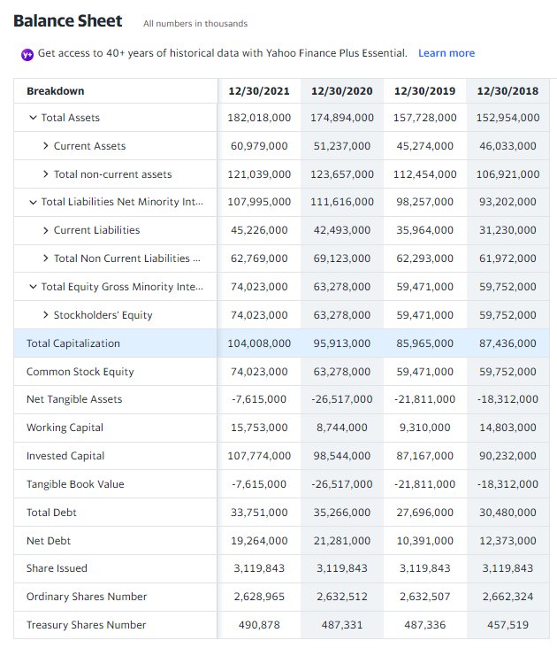
Long-term Assets | 121,039,000 | 123,657,000 | 112,454,000 | Other Short Term Investments | 17,121,000 | 11,200,000 | 1,982,000 | 1,580,000
Short-term Assets | 60,979,000 | 51,237,000 | 45,274,000 | Receivables | 15,283,000 | 13,576,000 | 14,481,000 | 14,098,000
 |  |  |  | Accounts receivable | 15,283,000 | 13,576,000 | 14,481,000 | 14,098,000
 |  |  |  | Gross Accounts Receivable | 15,513,000 | 13,869,000 | 14,707,000 | 14,346,000
 |  |  |  | Allowance For Doubtful Accounts Receivable | -230,000 | -293,000 | -226,000 | -248,000
 |  |  |  | Inventory | 10,387,000 | 9,344,000 | 9,020,000 | 8,599,000
 |  |  |  | Raw Materials | 1,592,000 | 1,410,000 | 1,117,000 | 1,114,000
 |  |  |  | Work in Process | 2,287,000 | 2,040,000 | 1,832,000 | 2,109,000
 |  |  |  | Finished Goods | 6,508,000 | 5,894,000 | 6,071,000 | 5,376,000
 |  |  |  | Prepaid Assets | 3,701,000 | 3,132,000 | 2,392,000 | 2,699,000
 |  |  |  | Assets Held for Sale Current | - | 0 | 94,000 | 950,000
 |  |  |  | Total non-current assets | 121,039,000 | 123,657,000 | 112,454,000 | 106,921,000
 |  |  |  | Net PPE | 18,962,000 | 18,766,000 | 17,658,000 | 17,035,000
 |  |  |  | Gross PPE | 47,679,000 | 46,804,000 | 43,332,000 | 41,851,000
 |  |  |  | Properties | 0 | 0 | 0 | 0
 |  |  |  | Land And Improvements | 884,000 | 882,000 | 854,000 | 807,000
 |  |  |  | Buildings And Improvements | 12,882,000 | 12,502,000 | 11,877,000 | 11,176,000
 |  |  |  | Machinery Furniture Equipment | 29,774,000 | 29,104,000 | 26,964,000 | 25,992,000
Long-term Liabilities and Short-term Liabilities
 |  |  |  | Construction in Progress | 4,139,000 | 4,316,000 | 3,637,000 | 3,876,000
 | 2021 | 2020 | 2019 | Accumulated Depreciation | -28,717,000 | -28,038,000 | -25,674,000 | -24,816,000
Long-term Liabilities | 62,769,000 | 69,123,000 | 62,293,000 | Goodwill And Other Intangible Assets | 81,638,000 | 89,795,000 | 81,282,000 | 78,064,000
Short-term Liabilities | 45,226,000 | 42,493,000 | 35,964,000 | Goodwill | 35,246,000 | 36,393,000 | 33,639,000 | 30,453,000
 |  |  |  | Other Intangible Assets | 46,392,000 | 53,402,000 | 47,643,000 | 47,611,000
 |  |  |  | Non Current Deferred Assets | 10,223,000 | 8,534,000 | 7,819,000 | 7,640,000
 |  |  |  | Non Current Deferred Taxes Assets | 10,223,000 | 8,534,000 | 7,819,000 | 7,640,000
 |  |  |  | Other Non Current Assets | 10,216,000 | 6,562,000 | 5,695,000 | 4,182,000
 |  |  |  | Total Liabilities Net Minority Interest | 107,995,000 | 111,616,000 | 98,257,000 | 93,202,000
 |  |  |  | Current Liabilities | 45,226,000 | 42,493,000 | 35,964,000 | 31,230,000
 |  |  |  | Payables And Accrued Expenses | 37,874,000 | 36,378,000 | 31,408,000 | 25,336,000
 |  |  |  | Payables | 12,167,000 | 10,897,000 | 10,810,000 | 8,355,000
 |  |  |  | Accounts Payable | 11,055,000 | 9,505,000 | 8,544,000 | 7,537,000
 |  |  |  | Total Tax Payable | 1,112,000 | 1,392,000 | 2,266,000 | 818,000
 |  |  |  | Income Tax Payable | 1,112,000 | 1,392,000 | 2,266,000 | 818,000
 |  |  |  | Current Accrued Expenses | 25,707,000 | 25,481,000 | 20,598,000 | 16,981,000 | 5-year trend
 |  |  |  | Pension & Other Post Retirement Benefit Plans Current | 3,586,000 | 3,484,000 | 3,354,000 | 3,098,000
 |  |  |  | Current Debt And Capital Lease Obligation | 3,766,000 | 2,631,000 | 1,202,000 | 2,796,000
 |  |  |  | Current Debt | 3,766,000 | 2,631,000 | 1,202,000 | 2,796,000
Total Debt and Total Equity
 | 2021 | 2020 | 2019 | Total Non Current Liabilities Net Minority Interest | 62,769,000 | 69,123,000 | 62,293,000 | 61,972,000
Total Debt | 107,995,000 | 111,616,000 | 98,257,000 | Long Term Debt And Capital Lease Obligation | 29,985,000 | 32,635,000 | 26,494,000 | 27,684,000
Total Equity | 74,023,000 | 63,278,000 | 59,471,000 | Long Term Debt | 29,985,000 | 32,635,000 | 26,494,000 | 27,684,000
#Total Debt = Summed the Liabilities |  |  |  | Non Current Deferred Liabilities | 7,487,000 | 7,214,000 | 5,958,000 | 7,506,000
 |  |  |  | Non Current Deferred Taxes Liabilities | 7,487,000 | 7,214,000 | 5,958,000 | 7,506,000
 |  |  |  | Tradeand Other Payables Non Current | 5,713,000 | 6,559,000 | 7,444,000 | 8,242,000
 |  |  |  | Employee Benefits | 8,898,000 | 10,771,000 | 10,663,000 | 9,951,000
 |  |  |  | Other Non Current Liabilities | 10,686,000 | 11,944,000 | 11,734,000 | 8,589,000
 |  |  |  | Total Equity Gross Minority Interest | 74,023,000 | 63,278,000 | 59,471,000 | 59,752,000
 |  |  |  | Stockholders' Equity | 74,023,000 | 63,278,000 | 59,471,000 | 59,752,000
 |  |  |  | Capital Stock | 3,120,000 | 3,120,000 | 3,120,000 | 3,120,000
 |  |  |  | Preferred Stock | 0 | 0 | 0 | 0
 |  |  |  | Common Stock | 3,120,000 | 3,120,000 | 3,120,000 | 3,120,000
 |  |  |  | Retained Earnings | 123,060,000 | 113,890,000 | 110,659,000 | 106,216,000
 |  |  |  | Treasury Stock | 39,099,000 | 38,490,000 | 38,417,000 | 34,362,000
 |  |  |  | Gains Losses Not Affecting Retained Earnings | -13,058,000 | -15,242,000 | -15,891,000 | -15,222,000
 |  |  |  | Total Capitalization | 104,008,000 | 95,913,000 | 85,965,000 | 87,436,000
 |  |  |  | Common Stock Equity | 74,023,000 | 63,278,000 | 59,471,000 | 59,752,000
 |  |  |  | Net Tangible Assets | -7,615,000 | -26,517,000 | -21,811,000 | -18,312,000
Total Capital and Retained Earnings
 | 2021 | 2020 | 2019 | Working Capital | 15,753,000 | 8,744,000 | 9,310,000 | 14,803,000
Total Capital | 182,018,000 | 174,894,000 | 157,728,000 | Invested Capital | 107,774,000 | 98,544,000 | 87,167,000 | 90,232,000
Retained Earnings | 123,060,000 | 113,890,000 | 110,659,000 | Tangible Book Value | -7,615,000 | -26,517,000 | -21,811,000 | -18,312,000
 |  |  |  | Total Debt | 33,751,000 | 35,266,000 | 27,696,000 | 30,480,000
 |  |  |  | Net Debt | 19,264,000 | 21,281,000 | 10,391,000 | 12,373,000
 |  |  |  | Share Issued | 3,119,843 | 3,119,843 | 3,119,843 | 3,119,843
 |  |  |  | Ordinary Shares Number | 2,628,965 | 2,632,512 | 2,632,507 | 2,662,324
 |  |  |  | Treasury Shares Number | 490,878 | 487,331 | 487,336 | 457,519

Marriott International
Long-term Assets and Short-term Assets
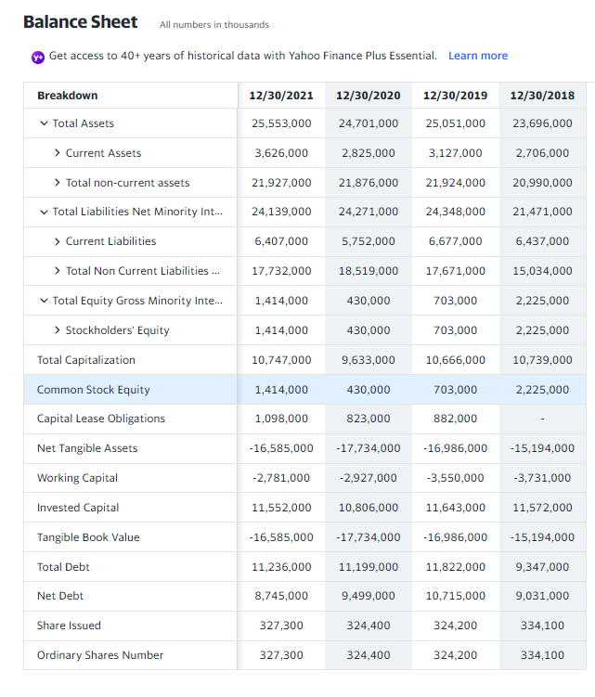
 | 2021 | 2020 | 2019 | For Reference-
Long-term Assets | 21,927,000 | 21,876,000 | 21,924,000
Short-term Assets | 3,626,000 | 2,825,000 | 3,127,000 | Total Assets | 25,553,000 | 24,701,000 | 25,051,000 | 23,696,000 | 5-year trend
 |  |  |  | Current Assets | 3,626,000 | 2,825,000 | 3,127,000 | 2,706,000
 |  |  |  | Cash, Cash Equivalents & Short Term Investments | 1,393,000 | 877,000 | 225,000 | 316,000
 |  |  |  | Cash And Cash Equivalents | 1,393,000 | 877,000 | 225,000 | 316,000
 |  |  |  | Cash | - | - | 225,000 | -
 |  |  |  | Receivables | 1,982,000 | 1,768,000 | 2,395,000 | 2,133,000
 |  |  |  | Accounts receivable | 1,982,000 | 1,768,000 | 2,395,000 | 2,133,000
 |  |  |  | Prepaid Assets | 251,000 | 172,000 | 252,000 | 249,000
 |  |  |  | Assets Held for Sale Current | - | 8,000 | 255,000 | 8,000
 |  |  |  | Total non-current assets | 21,927,000 | 21,876,000 | 21,924,000 | 20,990,000
 |  |  |  | Net PPE | 2,565,000 | 2,266,000 | 2,792,000 | 1,956,000
 |  |  |  | Gross PPE | 3,415,000 | 3,154,000 | 4,093,000 | 3,473,000
 |  |  |  | Properties | 0 | 0 | 0 | 0
 |  |  |  | Land And Improvements | 686,000 | 688,000 | 684,000 | 591,000
 |  |  |  | Buildings And Improvements | 985,000 | 1,045,000 | 1,100,000 | 1,275,000
 |  |  |  | Machinery Furniture Equipment | 545,000 | 640,000 | 1,225,000 | 1,439,000
 |  |  |  | Other Properties | 1,062,000 | 752,000 | 888,000 | -
Long-term Liabilities and Short-term Liabilities
 |  |  |  | Construction in Progress | 137,000 | 29,000 | 196,000 | 168,000
 | 2021 | 2020 | 2019 | Accumulated Depreciation | -850,000 | -888,000 | -1,301,000 | -1,517,000
Long-term Liabilities | 17,732,000 | 18,519,000 | 17,671,000 | Goodwill And Other Intangible Assets | 17,999,000 | 18,164,000 | 17,689,000 | 17,419,000
Short-term Liabilities | 6,407,000 | 5,752,000 | 6,677,000 | Goodwill | 9,073,000 | 9,175,000 | 9,048,000 | 9,039,000
 |  |  |  | Other Intangible Assets | 8,926,000 | 8,989,000 | 8,641,000 | 8,380,000
 |  |  |  | Investments And Advances | 387,000 | 422,000 | 577,000 | 732,000
 |  |  |  | Non Current Note Receivables | 144,000 | 159,000 | 117,000 | 125,000
 |  |  |  | Non Current Deferred Assets | 228,000 | 249,000 | 154,000 | 171,000
 |  |  |  | Non Current Deferred Taxes Assets | 228,000 | 249,000 | 154,000 | 171,000
 |  |  |  | Other Non Current Assets | 604,000 | 616,000 | 595,000 | 587,000
 |  |  |  | Total Liabilities Net Minority Interest | 24,139,000 | 24,271,000 | 24,348,000 | 21,471,000
 |  |  |  | Current Liabilities | 6,407,000 | 5,752,000 | 6,677,000 | 6,437,000
 |  |  |  | Payables And Accrued Expenses | 3,080,000 | 2,810,000 | 3,442,000 | 3,075,000
 |  |  |  | Payables | 726,000 | 527,000 | 720,000 | 767,000
 |  |  |  | Accounts Payable | 726,000 | 527,000 | 720,000 | 767,000
 |  |  |  | Current Accrued Expenses | 2,354,000 | 2,283,000 | 2,722,000 | 2,308,000
 |  |  |  | Current Debt And Capital Lease Obligation | 805,000 | 1,173,000 | 977,000 | 833,000
 |  |  |  | Current Debt | 805,000 | 1,173,000 | 977,000 | 833,000 | 5-year trend
 |  |  |  | Other Current Liabilities | 2,522,000 | 1,769,000 | 2,258,000 | 2,529,000
Total Debt and Total Equity
 | 2021 | 2020 | 2019 | Total Non Current Liabilities Net Minority Interest | 17,732,000 | 18,519,000 | 17,671,000 | 15,034,000
Total Debt | 24,139,000 | 24,271,000 | 24,348,000 | Long Term Debt And Capital Lease Obligation | 10,431,000 | 10,026,000 | 10,845,000 | 8,514,000
Total Equity | 1,414,000 | 430,000 | 703,000 | Long Term Debt | 9,333,000 | 9,203,000 | 9,963,000 | 8,514,000
#Total Debt = Summed the Liabilities |  |  |  | Long Term Capital Lease Obligation | 1,098,000 | 823,000 | 882,000 | -
 |  |  |  | Non Current Deferred Liabilities | 1,350,000 | 1,625,000 | 1,130,000 | 1,216,000
 |  |  |  | Non Current Deferred Taxes Liabilities | 169,000 | 83,000 | 290,000 | 485,000
 |  |  |  | Non Current Deferred Revenue | 1,181,000 | 1,542,000 | 840,000 | 731,000
 |  |  |  | Other Non Current Liabilities | 5,951,000 | 6,868,000 | 5,696,000 | 5,304,000
 |  |  |  | Total Equity Gross Minority Interest | 1,414,000 | 430,000 | 703,000 | 2,225,000
 |  |  |  | Stockholders' Equity | 1,414,000 | 430,000 | 703,000 | 2,225,000
 |  |  |  | Capital Stock | 5,000 | 5,000 | 5,000 | 5,000
 |  |  |  | Common Stock | 5,000 | 5,000 | 5,000 | 5,000
 |  |  |  | Additional Paid in Capital | 5,892,000 | 5,851,000 | 5,800,000 | 5,814,000
 |  |  |  | Retained Earnings | 10,305,000 | 9,206,000 | 9,644,000 | 8,982,000
 |  |  |  | Treasury Stock | 14,446,000 | 14,497,000 | 14,385,000 | 12,185,000
 |  |  |  | Gains Losses Not Affecting Retained Earnings | -342,000 | -135,000 | -361,000 | -391,000
 |  |  |  | Total Capitalization | 10,747,000 | 9,633,000 | 10,666,000 | 10,739,000
 |  |  |  | Common Stock Equity | 1,414,000 | 430,000 | 703,000 | 2,225,000
 |  |  |  | Capital Lease Obligations | 1,098,000 | 823,000 | 882,000 | -
Total Capital and Retained Earnings
 | 2021 | 2020 | 2019 | Net Tangible Assets | -16,585,000 | -17,734,000 | -16,986,000 | -15,194,000
Total Capital | 25,553,000 | 24,701,000 | 25,051,000 | Working Capital | -2,781,000 | -2,927,000 | -3,550,000 | -3,731,000
Retained Earnings | 10,305,000 | 9,206,000 | 9,644,000 | Invested Capital | 11,552,000 | 10,806,000 | 11,643,000 | 11,572,000
 |  |  |  | Tangible Book Value | -16,585,000 | -17,734,000 | -16,986,000 | -15,194,000
 |  |  |  | Total Debt | 11,236,000 | 11,199,000 | 11,822,000 | 9,347,000
 |  |  |  | Net Debt | 8,745,000 | 9,499,000 | 10,715,000 | 9,031,000
 |  |  |  | Share Issued | 327,300 | 324,400 | 324,200 | 334,100
 |  |  |  | Ordinary Shares Number | 327,300 | 324,400 | 324,200 | 334,100

Larsen & Toubro
Long-term Assets and Short-term Assets
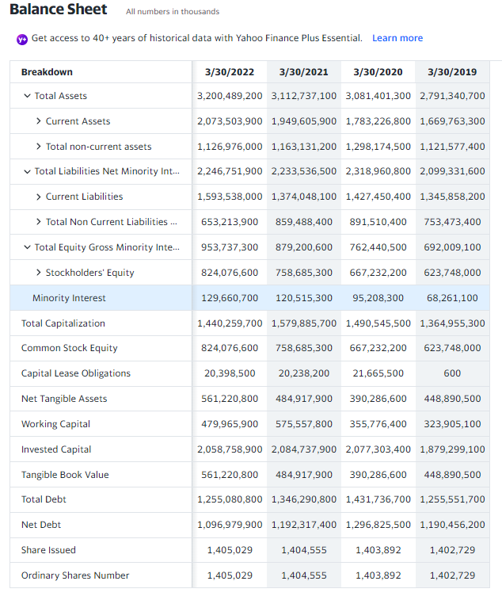
 | 2022 | 2021 | 2020 | For Reference-
Long-term Assets | 1,126,976,000 | 1,163,131,200 | 1,298,174,500
Short-term Assets | 2,073,503,900 | 1,949,605,900 | 1,783,226,800 | Total Assets | 3,200,489,200 | 3,112,737,100 | 3,081,401,300 | 2,791,340,700
 |  |  |  | Current Assets | 2,073,503,900 | 1,949,605,900 | 1,783,226,800 | 1,669,763,300
 |  |  |  | Cash, Cash Equivalents & Short Term Investments | 460,249,500 | 450,012,400 | 259,009,700 | 213,013,600
 |  |  |  | Cash And Cash Equivalents | 137,702,400 | 133,735,200 | 113,245,700 | 65,094,900
 |  |  |  | Cash | 70,805,700 | 62,123,400 | 47,158,600 | 49,232,700
 |  |  |  | Cash Equivalents | 66,896,700 | 71,611,800 | 66,087,100 | 15,862,200
 |  |  |  | Other Short Term Investments | 322,547,100 | 316,277,200 | 145,764,000 | 147,918,700
 |  |  |  | Inventory | 59,433,200 | 58,205,400 | 57,466,500 | 64,139,300
 |  |  |  | Raw Materials | 11,723,600 | 12,271,800 | 12,523,300 | 12,398,100
 |  |  |  | Work in Process | 3,130,100 | 2,613,700 | 4,678,700 | 6,517,000
 |  |  |  | Finished Goods | 40,584,500 | 40,010,000 | 36,096,800 | 39,782,100.00
 |  |  |  | Other Inventories | 3,995,000 | 3,309,900 | 4,167,700 | 5,442,100.00
 |  |  |  | Prepaid Assets | 5,101,700 | 4,954,100 | 5,623,100 | 726,700
 |  |  |  | Restricted Cash | 27,207,300 | 22,514,900 | 19,165,600 | 43,710,500.00
 |  |  |  | Current Deferred Assets | 271,100 | - | - | 0
 |  |  |  | Assets Held for Sale Current | 8,307,800 | 62,400 | 43,672,100 | 74,100
 |  |  |  | Hedging Assets Current | - | - | - | 9,594,100.00
 |  |  |  | Other Current Assets | 475,400 | 1,913,600 | 2,335,500 | 2,508,400
Long-term Liabilities and Short-term Liabilities
 | 2022 | 2021 | 2020 | Total non-current assets | 1,126,976,000 | 1,163,131,200 | 1,298,174,500 | 1,121,577,400.00
Long-term Liabilities | 653,213,900 | 859,488,400 | 891,510,400 | Net PPE | 137,368,800 | 137,961,900 | 155,551,900 | 133,731,200
Short-term Liabilities | 1,593,538,000 | 1,374,048,100 | 1,427,450,400 | Gross PPE | 233,597,800 | 229,930,000 | 229,677,600 | 193,218,100
 |  |  |  | Properties | 0 | 0 | 0 | 0
 |  |  |  | Land And Improvements | 13,471,100 | 15,420,900 | 15,710,500 | 13,716,100.00
 |  |  |  | Buildings And Improvements | 64,929,700 | 64,498,600 | 60,280,600 | 39,684,400
 |  |  |  | Machinery Furniture Equipment | 141,159,500 | 136,961,800 | 111,291,900 | 114,982,000.00
 |  |  |  | Other Properties | 2,334,300 | 9,165,000 | 10,145,500 | -
 |  |  |  | Construction in Progress | 11,703,200 | 3,883,700 | 32,249,100 | 24,835,600.00
 |  |  |  | Accumulated Depreciation | -96,229,000 | -91,968,100 | -74,125,700 | -59,486,900.00
 |  |  |  | Goodwill And Other Intangible Assets | 262,855,800 | 273,767,400 | 276,945,600 | 174,857,500.00
 |  |  |  | Goodwill | 74,769,800 | 80,669,600 | 80,114,000 | 18,269,100.00
 |  |  |  | Other Intangible Assets | 188,086,000 | 193,097,800 | 196,831,600 | 156,588,400
 |  |  |  | Investment Properties | 39,629,800 | 36,467,800 | 37,147,200 | 42,545,600
 |  |  |  | Financial Assets | - | - | - | 4,384,700.00
 |  |  |  | Non Current Prepaid Assets | 5,754,600 | 804,500 | 2,720,100 | 1,711,000.00
 |  |  |  | Other Non Current Assets | 60,776,200 | 59,496,700 | - | -
 |  |  |  | Total Liabilities Net Minority Interest | 2,246,751,900 | 2,233,536,500 | 2,318,960,800 | 2,099,331,600.00
 | 2022 | 2021 | 2020 | Current Liabilities | 1,593,538,000 | 1,374,048,100 | 1,427,450,400 | 1,345,858,200.00
Total Debt and Total Equity
Total Debt | 2,246,751,900 | 2,233,536,500 | 2,318,960,800 | Current Provisions | 33,558,600 | 29,986,800 | 27,508,500 | 30,378,400.00
Total Equity | 953,737,300 | 879,200,600 | 762,440,500 | Current Debt And Capital Lease Obligation | 622,564,600 | 508,913,200 | 591,007,400 | 514,343,800.00
#Total Debt = Summed the Liabilities |  |  |  | Current Debt | 618,499,200 | 504,852,200 | 586,757,900 | 514,343,800.00
 |  |  |  | Current Capital Lease Obligation | 4,065,400 | 4,061,000 | 4,249,500 | 0.00
 |  |  |  | Other Current Liabilities | 346,441,000 | 312,696,300 | - | -
 |  |  |  | Total Non Current Liabilities Net Minority Interest | 653,213,900 | 859,488,400 | 891,510,400 | 753,473,400
 |  |  |  | Long Term Provisions | 8,177,700 | 7,737,800 | 7,086,700 | 5,568,400.00
 |  |  |  | Long Term Debt And Capital Lease Obligation | 632,516,200 | 837,377,600 | 840,729,300 | 741,207,900.00
 |  |  |  | Long Term Debt | 616,183,100 | 821,200,400 | 823,313,300 | 741,207,300.00
 |  |  |  | Long Term Capital Lease Obligation | 16,333,100 | 16,177,200 | 17,416,000 | 600.00
 |  |  |  | Tradeand Other Payables Non Current | 619,000 | 1,492,800 | 7,279,600 | 1,531,300.00
 |  |  |  | Derivative Product Liabilities | - | - | - | 1,525,800.00
 |  |  |  | Liabilities Held for Sale Non Current | 797,300 | 32,000 | 19,841,700 | 32,000.00
 |  |  |  | Other Non Current Liabilities | 212,700 | 687,000 | - | -
 |  |  |  | Total Equity Gross Minority Interest | 953,737,300 | 879,200,600 | 762,440,500 | 692,009,100
 |  |  |  | Stockholders' Equity | 824,076,600 | 758,685,300 | 667,232,200 | 623,748,000
 |  |  |  | Capital Stock | 2,810,100 | 2,809,100 | 2,807,800 | 2,805,500.00
 |  |  |  | Common Stock | 2,810,100 | 2,809,100 | 2,807,800 | 2,805,500
 | 2022 | 2021 | 2020 | Additional Paid in Capital | 90,538,400 | 89,696,500 | 86,416,000 | 85,139,900
Total Capital | 3,200,489,200 | 3,112,737,100 | 3,081,401,300 | Retained Earnings | 671,399,000 | 610,637,900 | 527,316,400 | 482,005,300
Retained Earnings | 671,399,000 | 610,637,900 | 527,316,400 | Other Equity Interest | 3,716,500 | 3,836,000 | 4,014,900 | 4,902,500.00
Total Capital and Retained Earnings
 |  |  |  | Minority Interest | 129,660,700 | 120,515,300 | 95,208,300 | 68,261,100
 |  |  |  | Total Capitalization | 1,440,259,700 | 1,579,885,700 | 1,490,545,500 | 1,364,955,300.00
 |  |  |  | Common Stock Equity | 824,076,600 | 758,685,300 | 667,232,200 | 623,748,000
 |  |  |  | Capital Lease Obligations | 20,398,500 | 20,238,200 | 21,665,500 | 600
 |  |  |  | Net Tangible Assets | 561,220,800 | 484,917,900 | 390,286,600 | 448,890,500
 |  |  |  | Working Capital | 479,965,900 | 575,557,800 | 355,776,400 | 323,905,100
 |  |  |  | Invested Capital | 2,058,758,900 | 2,084,737,900 | 2,077,303,400 | 1,879,299,100
 |  |  |  | Tangible Book Value | 561,220,800 | 484,917,900 | 390,286,600 | 448,890,500
 |  |  |  | Total Debt | 1,255,080,800 | 1,346,290,800 | 1,431,736,700 | 1,255,551,700
 |  |  |  | Net Debt | 1,096,979,900 | 1,192,317,400 | 1,296,825,500 | 1,190,456,200
 |  |  |  | Share Issued | 1,405,029 | 1,404,555 | 1,403,892 | 1,402,729
 |  |  |  | Ordinary Shares Number | 1,405,029 | 1,404,555 | 1,403,892 | 1,402,729

Adani Group
Long-term Assets and Short-term Assets
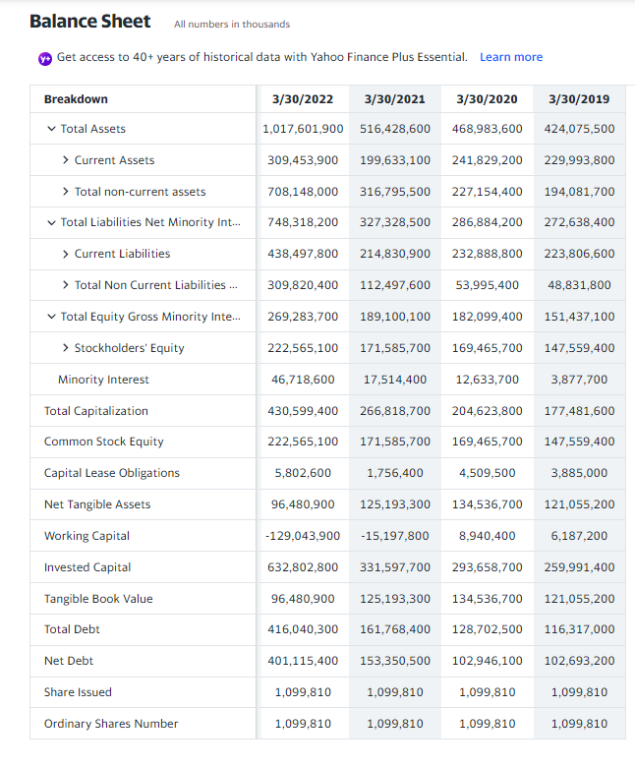
 | 2022 | 2021 | 2020 | For Reference-
Long-term Assets | 708,148,000 | 316,795,500 | 227,154,400
Short-term Assets | 309,453,900 | 199,633,100 | 241,829,200 | Total Assets | 1,017,601,900 | 516,428,600 | 468,983,600 | 424,075,500
 |  |  |  | Current Assets | 309,453,900 | 199,633,100 | 241,829,200 | 229,993,800
 |  |  |  | Cash, Cash Equivalents & Short Term Investments | 18,596,500 | 15,369,200 | 32,319,000 | 14,717,300
 |  |  |  | Cash And Cash Equivalents | 9,122,300 | 6,661,500 | 21,246,900 | 9,738,800
 |  |  |  | Cash | 8,123,300 | 5,081,800 | 15,918,000 | 6,064,900
 |  |  |  | Cash Equivalents | 999,000 | 1,579,700 | 5,328,900 | 3,673,900
 |  |  |  | Other Short Term Investments | 9,474,200 | 8,707,700 | 11,072,100 | 4,978,500
 |  |  |  | Inventory | 67,882,800 | 17,570,400 | 25,623,700 | 26,688,200
 |  |  |  | Raw Materials | 4,393,300 | 2,276,500 | 1,846,000 | 1,649,800
 |  |  |  | Work in Process | 5,010,800.00 | 2,957,700.00 | 2,375,700.00 | 443,400.00
 |  |  |  | Finished Goods | 58,478,700.00 | 12,336,200.00 | 21,402,000.00 | 24,595,000.00
 |  |  |  | Other Inventories | - | - | 881,600.00 | 848,900.00
 |  |  |  | Prepaid Assets | 16,256,200 | 8,135,000 | 7,119,500 | 4,617,600
 |  |  |  | Restricted Cash | 27,265,700.00 | 6,142,400.00 | 5,618,700.00 | 3,075,400
 |  |  |  | Assets Held for Sale Current | - | - | - | 0
 |  |  |  | Hedging Assets Current | 32,800.00 | 40,900.00 | 1,156,900.00 | 65,700.00
 |  |  |  | Other Current Assets | 5,500.00 | 15,100 | 394,200 | 107,200
 |  |  |  | Total non-current assets | 708,148,000.00 | 316,795,500.00 | 227,154,400.00 | 194,081,700.00
Long-term Liabilities and Short-term Liabilities
 | 2022 | 2021 | 2020 | Net PPE | 410,122,300 | 149,924,300 | 142,984,300 | 121,125,900
Long-term Liabilities | 309,820,400 | 112,497,600 | 53,995,400 | Gross PPE | 442,668,400.00 | 170,620,700.00 | 161,698,400.00 | 135,188,900.00
Short-term Liabilities | 438,497,800 | 214,830,900 | 232,888,800 | Properties | 8,477,400 | 8,039,600 | 7,373,900 | 6,933,200
 |  |  |  | Land And Improvements | 13,125,200.00 | 9,863,100.00 | 12,237,100.00 | 12,246,400.00
 |  |  |  | Buildings And Improvements | 121,004,700.00 | 13,892,100.00 | 11,206,500.00 | 10,589,800.00
 |  |  |  | Machinery Furniture Equipment | 100,104,600.00 | 50,975,900.00 | 57,565,900.00 | 46,859,500.00
 |  |  |  | Other Properties | 4,314,800 | 987,300 | 1,003,600 | 910,800
 |  |  |  | Construction in Progress | 195,641,700.00 | 86,862,700.00 | 72,311,400.00 | 57,649,200.00
 |  |  |  | Accumulated Depreciation | -32,546,100.00 | -20,696,400.00 | -18,714,100.00 | -14,063,000.00
 |  |  |  | Goodwill And Other Intangible Assets | 126,084,200 | 46,392,400 | 34,929,000 | 26,504,200
 |  |  |  | Goodwill | 3,009,200 | 1,519,700 | 1,391,300 | 542,200
 |  |  |  | Other Intangible Assets | 123,075,000.00 | 44,872,700.00 | 33,537,700.00 | 25,962,000.00
 |  |  |  | Investment Properties | 465,500.00 | 314,000.00 | 318,600.00 | 220,200.00
 |  |  |  | Non Current Prepaid Assets | 44,915,000.00 | 19,819,800.00 | 14,284,000.00 | 10,046,700.00
 |  |  |  | Other Non Current Assets | 322,100.00 | 360,800 | 414,200 | 488,700
 |  |  |  | Total Liabilities Net Minority Interest | 748,318,200.00 | 327,328,500.00 | 286,884,200.00 | 272,638,400.00
 |  |  |  | Current Liabilities | 438,497,800.00 | 214,830,900.00 | 232,888,800.00 | 223,806,600.00
 |  |  |  | Current Provisions | 957,300 | 647,600 | 614,600 | 527,000
Total Debt and Total Equity
 | 2022 | 2021 | 2020 | Current Debt And Capital Lease Obligation | 202,839,800.00 | 64,904,300.00 | 89,221,700 | 82,509,800.00
Total Debt | 748,318,200 | 327,328,500 | 286,884,200 | Current Debt | 202,203,400.00 | 64,779,000.00 | 89,034,900.00 | 82,509,800.00
Total Equity | 269,283,700 | 189,100,100 | 182,099,400 | Current Capital Lease Obligation | 636,400.00 | 125,300.00 | 186,800.00 | -
#Total Debt = Summed the Liabilities |  |  |  | Other Current Liabilities | 3,222,500 | 1,143,300 | 1,220,600 | 761,900
 |  |  |  | Total Non Current Liabilities Net Minority Interest | 309,820,400 | 112,497,600 | 53,995,400 | 48,831,800
 |  |  |  | Long Term Provisions | 2,789,700.00 | 768,200.00 | 630,000.00 | 499,300.00
 |  |  |  | Long Term Debt And Capital Lease Obligation | 213,200,500.00 | 96,864,100.00 | 39,480,800.00 | 33,807,200.00
 |  |  |  | Long Term Debt | 208,034,300.00 | 95,233,000.00 | 35,158,100.00 | 29,922,200.00
 |  |  |  | Long Term Capital Lease Obligation | 5,166,200.00 | 1,631,100.00 | 4,322,700.00 | 3,885,000.00
 |  |  |  | Tradeand Other Payables Non Current | 9,772,400.00 | 829,400.00 | 743,500.00 | 1,243,500.00
 |  |  |  | Other Non Current Liabilities | 7,830,400.00 | 7,686,900.00 | 6,358,400.00 | 6,764,800.00
 |  |  |  | Total Equity Gross Minority Interest | 269,283,700.00 | 189,100,100.00 | 182,099,400.00 | 151,437,100.00
 |  |  |  | Stockholders' Equity | 222,565,100 | 171,585,700 | 169,465,700 | 147,559,400
 |  |  |  | Capital Stock | 1,099,800 | 1,099,800 | 1,099,800 | 1,099,800
 |  |  |  | Common Stock | 1,099,800.00 | 1,099,800.00 | 1,099,800.00 | 1,099,800.00
 |  |  |  | Additional Paid in Capital | 32,909,600 | 10,181,600 | 9,826,400 | 9,826,400
 |  |  |  | Retained Earnings | 132,224,500 | 126,790,700 | 117,838,000 | 108,592,900
 |  |  |  | Other Equity Interest | 18,171,200 | - | - | -
 |  |  |  | Minority Interest | 46,718,600 | 17,514,400 | 12,633,700 | 3,877,700
 | 2022 | 2021 | 2020 | Total Capitalization | 430,599,400.00 | 266,818,700.00 | 204,623,800.00 | 177,481,600.00
Total Capital and Retained Earnings
Total Capital | 1,017,601,900 | 516,428,600 | 468,983,600 | Common Stock Equity | 222,565,100 | 171,585,700 | 169,465,700 | 147,559,400
Retained Earnings | 132,224,500 | 126,790,700 | 117,838,000 | Capital Lease Obligations | 5,802,600 | 1,756,400 | 4,509,500 | 3,885,000
 |  |  |  | Net Tangible Assets | 96,480,900 | 125,193,300 | 134,536,700 | 121,055,200
 |  |  |  | Working Capital | -129,043,900 | -15,197,800 | 8,940,400 | 6,187,200
 |  |  |  | Invested Capital | 632,802,800 | 331,597,700 | 293,658,700 | 259,991,400
 |  |  |  | Tangible Book Value | 96,480,900 | 125,193,300 | 134,536,700 | 121,055,200
 |  |  |  | Total Debt | 416,040,300 | 161,768,400 | 128,702,500 | 116,317,000
 |  |  |  | Net Debt | 401,115,400 | 153,350,500 | 102,946,100 | 102,693,200
 |  |  |  | Share Issued | 1,099,810 | 1,099,810 | 1,099,810 | 1,099,810
 |  |  |  | Ordinary Shares Number | 1,099,810 | 1,099,810 | 1,099,810 | 1,099,810

Apollo Hospitals
Long-term Assets and Short-term Assets
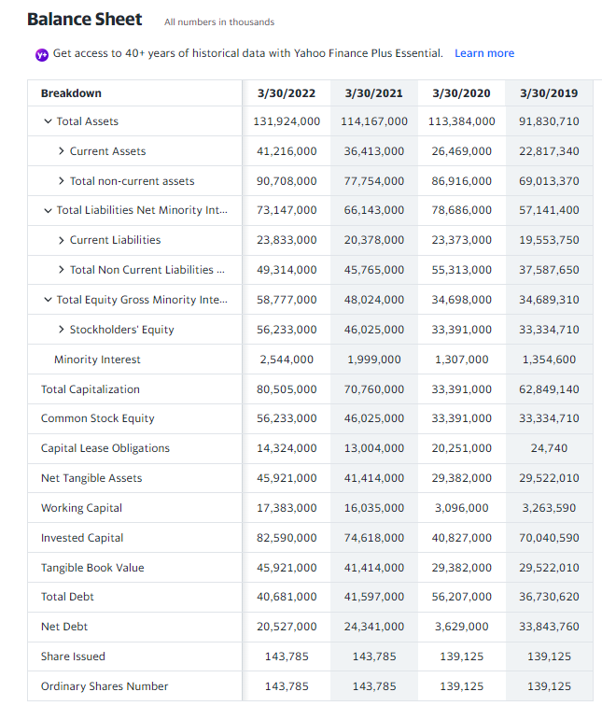
 | 2022 | 2021 | 2020 | For Reference-
Long-term Assets | 90,708,000 | 77,754,000 | 86,916,000
Short-term Assets | 41,216,000 | 36,413,000 | 26,469,000 | Total Assets | 131,924,000 | 114,167,000 | 113,384,000 | 91,830,710
 |  |  |  | Current Assets | 41,216,000 | 36,413,000 | 26,469,000 | 22,817,340
 |  |  |  | Cash, Cash Equivalents & Short Term Investments | 10,843,000 | 14,230,000 | 6,435,000 | 3,550,420
 |  |  |  | Cash And Cash Equivalents | 5,830,000 | 4,252,000 | 3,807,000 | 2,862,120
 |  |  |  | Cash | 5,347,000 | 3,866,000 | 4,668,000 | 2,732,230
 |  |  |  | Cash Equivalents | 483,000 | 386,000 | - | 129,890
 |  |  |  | Other Short Term Investments | 5,013,000 | 9,978,000 | 2,628,000 | 688,300
 |  |  |  | Inventory | 4,319,000 | 2,495,000 | 7,378,000 | 5,847,790
 |  |  |  | Raw Materials | 605,000 | 505,000 | - | 414,320
 |  |  |  | Finished Goods | 3,714,000 | 1,990,000 | - | 5,433,470
 |  |  |  | Other Inventories | - | - | - | 263,890
 |  |  |  | Prepaid Assets | 2,074,000 | 1,987,000 | - | 1,576,350
 |  |  |  | Restricted Cash | 4,529,000 | 2,991,000 | - | 607,490
 |  |  |  | Hedging Assets Current | - | - | - | 0
 |  |  |  | Other Current Assets | 1,000 | 1,717,900 | 1,651,000 | 133,290
 |  |  |  | Total non-current assets | 90,708,000 | 77,754,000 | 86,916,000 | 69,013,370
 |  |  |  | Net PPE | 72,792,000 | 65,458,000 | 72,609,000 | 54,155,650
 |  |  |  | Gross PPE | 105,300,000 | 92,538,000 | 72,609,000 | 69,566,820
Long-term Liabilities and Short-term Liabilities
 | 2022 | 2021 | 2020 | Properties | 0 | 0 | - | 0
Long-term Liabilities | 49,314,000 | 45,765,000 | 55,313,000 | Land And Improvements | 10,794,000 | 7,410,000 | - | 4,706,240
Short-term Liabilities | 23,833,000 | 20,378,000 | 23,373,000 | Buildings And Improvements | 47,673,000 | 43,518,000 | - | 23,938,330
 |  |  |  | Machinery Furniture Equipment | 16,822,000 | 14,743,000 | - | 15,209,590
 |  |  |  | Other Properties | 29,571,000 | 24,751,000 | 70,518,000 | 17,494,950
 |  |  |  | Construction in Progress | 440,000 | 2,116,000 | 2,091,000 | 8,217,710
 |  |  |  | Accumulated Depreciation | -32,508,000 | -27,080,000 | - | -15,411,170
 |  |  |  | Goodwill And Other Intangible Assets | 10,312,000 | 4,611,000 | 4,009,000 | 3,812,700
 |  |  |  | Goodwill | 9,235,000 | 3,753,000 | 3,462,000 | 3,461,890
 |  |  |  | Other Intangible Assets | 1,077,000 | 858,000 | 547,000 | 350,810
 |  |  |  | Investment Properties | 47,000 | 53,000 | 59,000 | 65,310
 |  |  |  | Financial Assets | - | - | - | 288,210
 |  |  |  | Non Current Prepaid Assets | 2,394,000 | 2,031,000 | - | 3,899,760
 |  |  |  | Other Non Current Assets | 68,000 | 12,000 | 772,000 | 37,640
 |  |  |  | Total Liabilities Net Minority Interest | 73,147,000 | 66,143,000 | 78,686,000 | 57,141,400
 |  |  |  | Current Liabilities | 23,833,000 | 20,378,000 | 23,373,000 | 19,553,750
 |  |  |  | Current Provisions | 1,189,000 | 1,093,000 | 1,230,000 | 1,021,920
 |  |  |  | Current Debt And Capital Lease Obligation | 3,076,000 | 4,562,000 | 9,011,000 | 7,209,320
Total Debt and Total Equity
 | 2022 | 2021 | 2020 | Current Debt | 2,085,000 | 3,858,000 | 7,436,000 | 7,191,450
Total Debt | 73,147,000 | 66,143,000 | 78,686,000 | Current Capital Lease Obligation | 991,000 | 704,000 | 1,575,000 | 17,870
Total Equity | 58,777,000 | 48,024,000 | 34,698,000 | Other Current Liabilities | 359,000 | 495,000 | 1,886,000 | 547,400
#Total Debt = Summed the Liabilities |  |  |  | Total Non Current Liabilities Net Minority Interest | 49,314,000 | 45,765,000 | 55,313,000 | 37,587,650
 |  |  |  | Long Term Provisions | 233,000 | 223,000 | 101,000 | 114,400
 |  |  |  | Long Term Debt And Capital Lease Obligation | 37,605,000 | 37,035,000 | 47,196,000 | 29,521,300
 |  |  |  | Long Term Debt | 24,272,000 | 24,735,000 | 28,520,000 | 29,514,430
 |  |  |  | Long Term Capital Lease Obligation | 13,333,000 | 12,300,000 | 18,676,000 | 6,870
 |  |  |  | Tradeand Other Payables Non Current | - | - | 47,000 | -
 |  |  |  | Non Current Accrued Expenses | - | - | - | 0
 |  |  |  | Derivative Product Liabilities | 5,876,000 | 5,761,000 | 4,955,000 | 4,712,880
 |  |  |  | Other Non Current Liabilities | 191,000 | 1,000 | 1,000 | 29,660
 |  |  |  | Total Equity Gross Minority Interest | 58,777,000 | 48,024,000 | 34,698,000 | 34,689,310
 |  |  |  | Stockholders' Equity | 56,233,000 | 46,025,000 | 33,391,000 | 33,334,710
 |  |  |  | Capital Stock | 719,000 | 719,000 | 696,000 | 695,630
 |  |  |  | Common Stock | 719,000 | 719,000 | 696,000 | 695,630
 |  |  |  | Additional Paid in Capital | 28,697,000 | 29,197,000 | - | 18,948,540
 |  |  |  | Retained Earnings | 16,699,000 | 5,930,000 | - | 3,704,120
 |  |  |  | Other Equity Interest | 89,000 | 62,000 | 32,695,000 | 28,040
Total Capital and Retained Earnings
 | 2022 | 2021 | 2020 | Minority Interest | 2,544,000 | 1,999,000 | 1,307,000 | 1,354,600
Total Capital | 131,924,000 | 114,167,000 | 113,384,000 | Total Capitalization | 80,505,000 | 70,760,000 | 33,391,000 | 62,849,140
Retained Earnings | 16,699,000 | 5,930,000 | 0 | Common Stock Equity | 56,233,000 | 46,025,000 | 33,391,000 | 33,334,710
 |  |  |  | Capital Lease Obligations | 14,324,000 | 13,004,000 | 20,251,000 | 24,740
 |  |  |  | Net Tangible Assets | 45,921,000 | 41,414,000 | 29,382,000 | 29,522,010
 |  |  |  | Working Capital | 17,383,000 | 16,035,000 | 3,096,000 | 3,263,590
 |  |  |  | Invested Capital | 82,590,000 | 74,618,000 | 40,827,000 | 70,040,590
 |  |  |  | Tangible Book Value | 45,921,000 | 41,414,000 | 29,382,000 | 29,522,010
 |  |  |  | Total Debt | 40,681,000 | 41,597,000 | 56,207,000 | 36,730,620
 |  |  |  | Net Debt | 20,527,000 | 24,341,000 | 3,629,000 | 33,843,760
 |  |  |  | Share Issued | 143,785 | 143,785 | 139,125 | 139,125
 |  |  |  | Ordinary Shares Number | 143,785 | 143,785 | 139,125 | 139,125

JP Morgan Chase
Long-term Assets and Short-term Assets
 | 2021 | 2020 | 2019 | For Reference-
Long-term Assets | 2,674,983 | 3,384,757 | 2,687,379 |  |  |  |  |  | JPMorgan Chase Bank & Co. is the largest bank in America with nearly $3.7 trillion in total assets
Short-term Assets | 1,068,584 | 0 | 0 | Total Assets | 3,743,567,000 | 3,386,071,000 | 2,687,379,000 | 2,622,532,000 | Cash and cash equivalents have grown steadily over the years, thanks in part to new regulations such as the Basel Accords
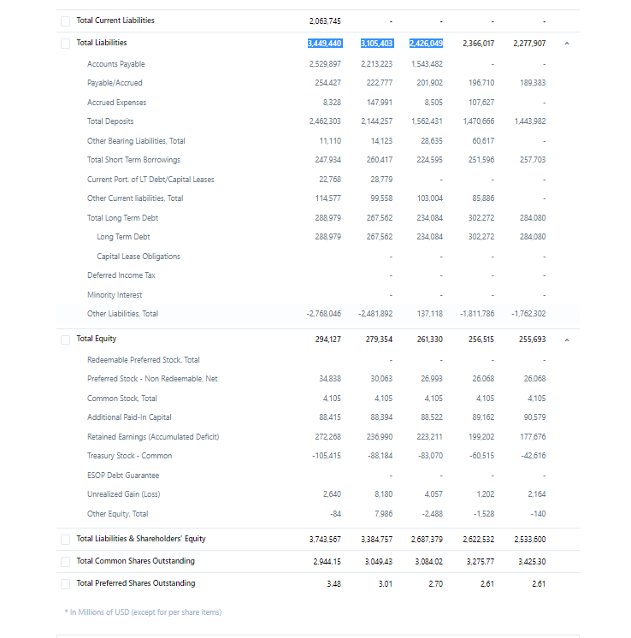
Total-Assets | 3,743,567 | 3,384,757 | 2,687,379 | Cash, Cash Equivalents & Federal Funds Sold | 1,002,532,000 | 823,893,000 | 512,788,000 | 600,381,000 | which require banks to increase their operating capital
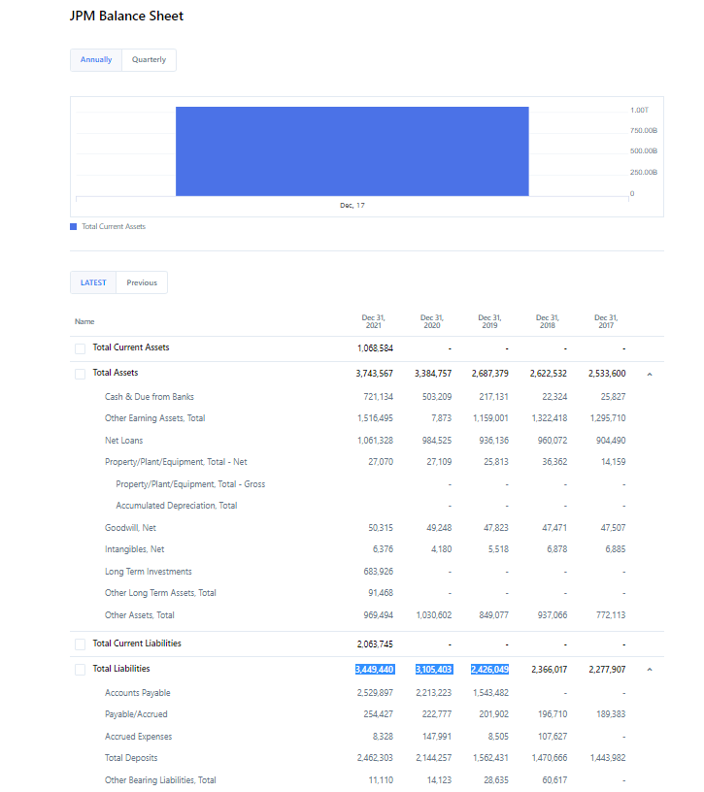
 |  |  |  | Cash And Cash Equivalents | 740,834,000 | 527,609,000 | 263,631,000 | 278,793,000
 |  |  |  | Cash | 26,438,000 | 24,874,000 | 21,704,000 | 22,324,000
 |  |  |  | Cash And Due from Banks | 714,396,000 | 502,735,000 | 241,927,000 | 256,469,000
 |  |  |  | Restricted Cash And Investments | - | 32,227,000 | - | -
 |  |  |  | Restricted Investments | - | 32,227,000 | - | -
 |  |  |  | Money Market Investments | 261,698,000 | 296,284,000 | 249,157,000 | 321,588,000
 |  |  |  | Federal Funds Sold & Securities Purchased Under Agreements to Resell | 261,698,000 | 296,284,000 | 249,157,000 | 321,588,000
 |  |  |  | Security Borrowed | 206,071,000 | 160,635,000 | 139,758,000 | 111,995,000
 |  |  |  | SECURITIES_AND_INVESTMENTS | 984,829,000 | 930,253,000 | 697,820,000 | 586,469,000
 |  |  |  | Trading Securities | 330,865,000 | 372,481,000 | 299,581,000 | 324,641,000
 |  |  |  | Available for Sale Securities | - | 13,827,000 | 332,891,000 | 9,630,000
 |  |  |  | Held To Maturity Securities | 363,707,000 | 201,821,000 | 47,540,000 | 31,434,000
 |  |  |  | Other Short Term Investments | 290,257,000 | 355,951,000 | 350,699,000 | 230,394,000
 |  |  |  | Derivative Assets | - | 79,630,000 | 49,766,000 | 54,213,000
Long-term Liabilities and Short-term Liabilities
 |  |  |  | Net Loan | 1,061,328,000 | 984,525,000 | 946,646,000 | 971,109,000
 |  |  |  | Gross Loan | 1,077,714,000 | 1,012,853,000 | 959,769,000 | 984,554,000
 | 2021 | 2020 | 2019 | Loans Held for Sale | 8,688,000 | 7,873,000 | 7,064,000 | 11,988,000
Long-term Liabilities | 1,385,695 | 3,105,403 | 2,426,049 | Commercial Loan | 592,711,000 | 544,274,000 | 451,743,000 | 442,313,000
Short-term Liabilities | 2,063,745 | 0 | 0 | Consumer Loan | 251,520,000 | 235,404,000 | 264,926,000 | 255,237,000
Total Liabilities | 3,449,440 | 3,105,403 | 2,426,049 | Mortgage Loan | 224,795,000 | 225,302,000 | 236,036,000 | 275,016,000
 |  |  |  | Other Loan Assets | - | 19,200,000 | 27,199,000 | 26,612,000
 |  |  |  | Allowance for Loans And Lease Losses | 16,386,000 | 28,328,000 | 13,123,000 | 13,445,000
 |  |  |  | Receivables | 102,570,000 | 90,503,000 | 72,861,000 | 73,200,000
 |  |  |  | Accounts receivable | 102,570,000 | 90,503,000 | 72,861,000 | 73,200,000
 |  |  |  | Other Receivables | 57,081,000 | 79,630,000 | 49,766,000 | 54,213,000
 |  |  |  | Net PPE | 27,070,000 | 27,109,000 | 25,813,000 | 14,934,000
 |  |  |  | Goodwill And Other Intangible Assets | 56,691,000 | 53,428,000 | 53,341,000 | 54,349,000
 |  |  |  | Goodwill | 50,315,000 | 49,248,000 | 47,823,000 | 47,471,000
 |  |  |  | Other Intangible Assets | 6,376,000 | 4,180,000 | 5,518,000 | 6,878,000
 |  |  |  | Other Assets | 302,476,000 | 315,725,000 | 238,352,000 | 210,095,000
 |  |  |  | Total Liabilities Net Minority Interest | 3,449,440,000 | 3,106,717,000 | 2,426,049,000 | 2,366,017,000
 |  |  |  | Total Deposits | 2,462,303,000 | 2,144,257,000 | 1,562,431,000 | 1,470,666,000
 |  |  |  | Interest Bearing Deposits Liabilities | 1,797,195,000 | 1,548,111,000 | 1,146,677,000 | 1,082,069,000
Total Debt and Total Equity
 |  |  |  | Customer Accounts | 1,797,195,000 | 1,548,111,000 | 1,146,677,000 | 1,082,069,000
 | 2021 | 2020 | 2019 | Non Interest Bearing Deposits | 665,108,000 | 596,146,000 | 415,754,000 | 388,597,000
Total Debt | 3,449,440 | 3,105,403 | 2,426,049 | Federal Funds Purchased And Securities Sold Under Agreement To Repurchase | 194,340,000 | 215,209,000 | 183,675,000 | 182,320,000
Total Equity | 294,127 | 279,354 | 261,330 | Payables And Accrued Expenses | 303,071,000 | 295,522,000 | 247,715,000 | 232,679,000
#Total Debt = Summed the Liabilities |  |  |  | Payables | 303,071,000 | 295,522,000 | 247,715,000 | 232,679,000
 |  |  |  | Accounts Payable | 169,172,000 | 140,291,000 | 118,375,000 | 114,794,000
 |  |  |  | Other Payable | 133,899,000 | 155,231,000 | 129,340,000 | 117,885,000
 |  |  |  | Current Debt And Capital Lease Obligation | 53,594,000 | 45,208,000 | 40,920,000 | 69,276,000
 |  |  |  | Current Debt | 53,594,000 | 45,208,000 | 40,920,000 | 69,276,000
 |  |  |  | Commercial Paper | - | 12,031,000 | 14,754,000 | 30,059,000
 |  |  |  | Other Current Borrowings | 53,594,000 | 45,208,000 | 40,920,000 | 69,276,000
 |  |  |  | Trading Liabilities | 114,577,000 | 99,558,000 | 75,569,000 | 103,004,000
 |  |  |  | Derivative Product Liabilities | - | 70,623,000 | 43,708,000 | 41,769,000
 |  |  |  | Long Term Debt And Capital Lease Obligation | 301,005,000 | 281,685,000 | 291,498,000 | 282,031,000
 |  |  |  | Long Term Debt | 301,005,000 | 281,685,000 | 291,498,000 | 282,031,000
 |  |  |  | Advance From Federal Home Loan Banks | 11,110,000 | 14,123,000 | 28,635,000 | 44,455,000
 |  |  |  | Other Liabilities | 20,550,000 | 25,278,000 | 24,241,000 | 26,041,000
 |  |  |  | Total Equity Gross Minority Interest | 294,127,000 | 279,354,000 | 261,330,000 | 256,515,000
 |  |  |  | Stockholders' Equity | 294,127,000 | 279,354,000 | 261,330,000 | 256,515,000
Total Capital and Retained Earnings
 |  |  |  | Capital Stock | 38,943,000 | 34,168,000 | 31,098,000 | 30,173,000
 | 2021 | 2020 | 2019 | Preferred Stock | 34,838,000 | 30,063,000 | 26,993,000 | 26,068,000
Total Capital | 3,743,567 | 3,384,757 | 2,687,379 | Common Stock | 4,105,000 | 4,105,000 | 4,105,000 | 4,105,000
Retained Earnings | 72,268 | 236,990 | 223,211 | Retained Earnings | 272,268,000 | 236,990,000 | 223,211,000 | 199,202,000
 |  |  |  | Additional Paid in Capital | 88,415,000 | 88,394,000 | 88,522,000 | 89,162,000
 |  |  |  | Treasury Stock | 105,415,000 | 88,184,000 | 83,049,000 | 60,494,000
 |  |  |  | Gains Losses Not Affecting Retained Earnings | -84,000 | 7,986,000 | 1,569,000 | -1,507,000
 |  |  |  | Other Equity Interest | - | - | -21,000 | -21,000
 |  |  |  | Total Capitalization | 595,132,000 | 561,039,000 | 552,828,000 | 538,546,000
 |  |  |  | Preferred Stock Equity | 34,838,000 | 30,063,000 | 26,993,000 | 26,068,000
 |  |  |  | Common Stock Equity | 259,289,000 | 249,291,000 | 234,337,000 | 230,447,000
 |  |  |  | Net Tangible Assets | 237,436,000 | 225,926,000 | 207,989,000 | 202,166,000
 |  |  |  | Invested Capital | 613,888,000 | 576,184,000 | 566,755,000 | 581,754,000
 |  |  |  | Tangible Book Value | 202,598,000 | 195,863,000 | 180,996,000 | 176,098,000
 |  |  |  | Total Debt | 354,599,000 | 326,893,000 | 332,418,000 | 351,307,000
 |  |  |  | Net Debt | - | - | 68,787,000 | 72,514,000
 |  |  |  | Share Issued | 4,104,934 | 4,104,934 | 4,104,934 | 4,104,934
 |  |  |  | Ordinary Shares Number | 2,944,149 | 3,049,434 | 3,084,021 | 3,275,766
 |  |  |  | Preferred Shares Number | 391,850 | 280,850 | 338,050 | 336,250
 |  |  |  | Treasury Shares Number | 1,160,785 | 1,055,499 | 1,020,913 | 829,168

